Fig1
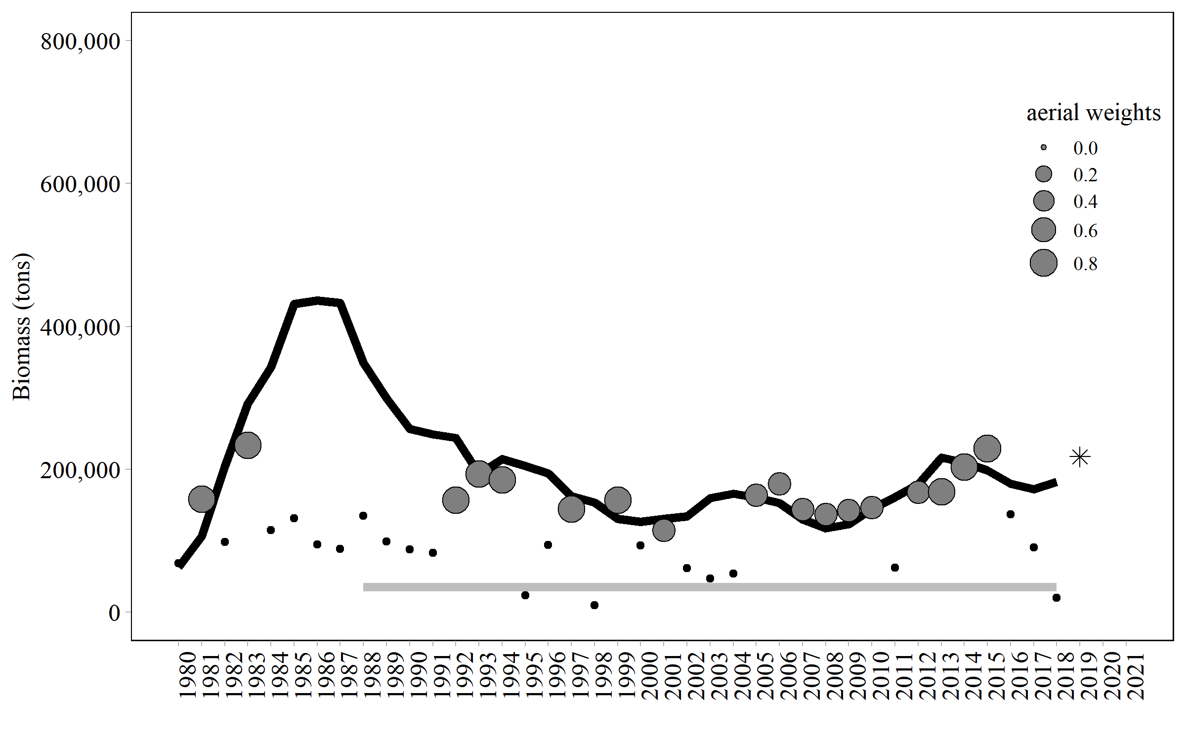
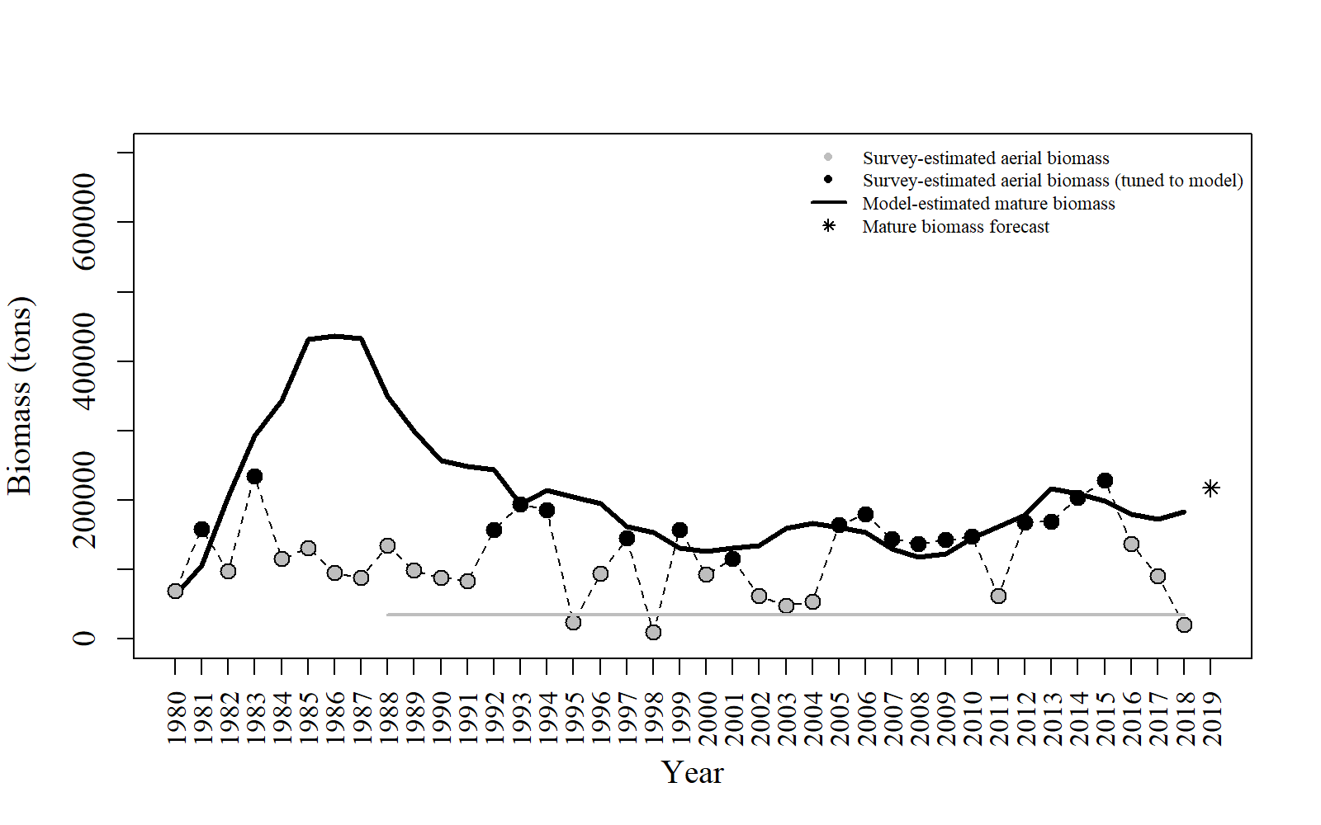
Year | tot_obs_aerial_tons | tot_mat_B_tons | tot_obs_aerial_tuned_tons | Year | res_aerial | Year | res_aerial
1980 | 68686.1 | 63149.3 |  | 1980 | 0 | 1980 | 0
1981 | 158650 | 106416 | 158650 | 1981 | 0.345838 | 1981 | 0.345838
1982 | 97902.9 | 204685 |  | 1982 | 0 | 1982 | 0
1983 | 233702 | 292030 | 233702 | 1983 | -0.192958 | 1983 | -0.192958
1984 | 114880 | 343218 |  | 1984 | 0 | 1984 | 0
1985 | 131400 | 431405 |  | 1985 | 0 | 1985 | 0
1986 | 94770.1 | 436420 |  | 1986 | 0 | 1986 | 0
1987 | 88397.6 | 432643 |  | 1987 | 0 | 1987 | 0
1988 | 134718 | 349125 |  | 1988 | 0 | 1988 | 0
1989 | 98965.1 | 299394 |  | 1989 | 0 | 1989 | 0
1990 | 88105.1 | 256736 |  | 1990 | 0 | 1990 | 0
1991 | 83229.1 | 248954 |  | 1991 | 0 | 1991 | 0
1992 | 156957 | 244267 | 156957 | 1992 | -0.383034 | 1992 | -0.383034
1993 | 193847 | 193379 | 193847 | 1993 | 0.00209178 | 1993 | 0.00209178
1994 | 185412 | 214479 | 185412 | 1994 | -0.126123 | 1994 | -0.126123
1995 | 23550.2 | 204624 |  | 1995 | 0 | 1995 | 0
1996 | 94051.9 | 194538 |  | 1996 | 0 | 1996 | 0
1997 | 144888 | 162303 | 144888 | 1997 | -0.0982935 | 1997 | -0.0982935
1998 | 9872.1 | 153553 |  | 1998 | 0 | 1998 | 0
1999 | 157030 | 130657 | 157030 | 1999 | 0.159224 | 1999 | 0.159224
2000 | 93214.9 | 126450 |  | 2000 | 0 | 2000 | 0
2001 | 115156 | 130526 | 115156 | 2001 | -0.0885883 | 2001 | -0.0885883
2002 | 61377.6 | 134193 |  | 2002 | 0 | 2002 | 0
2003 | 47074.5 | 159487 |  | 2003 | 0 | 2003 | 0
2004 | 53625.5 | 166197 |  | 2004 | 0 | 2004 | 0
2005 | 163739 | 160285 | 163739 | 2005 | 0.0150729 | 2005 | 0.0150729
2006 | 179582 | 153115 | 179582 | 2006 | 0.112743 | 2006 | 0.112743
2007 | 143828 | 129887 | 143828 | 2007 | 0.0720933 | 2007 | 0.0720933
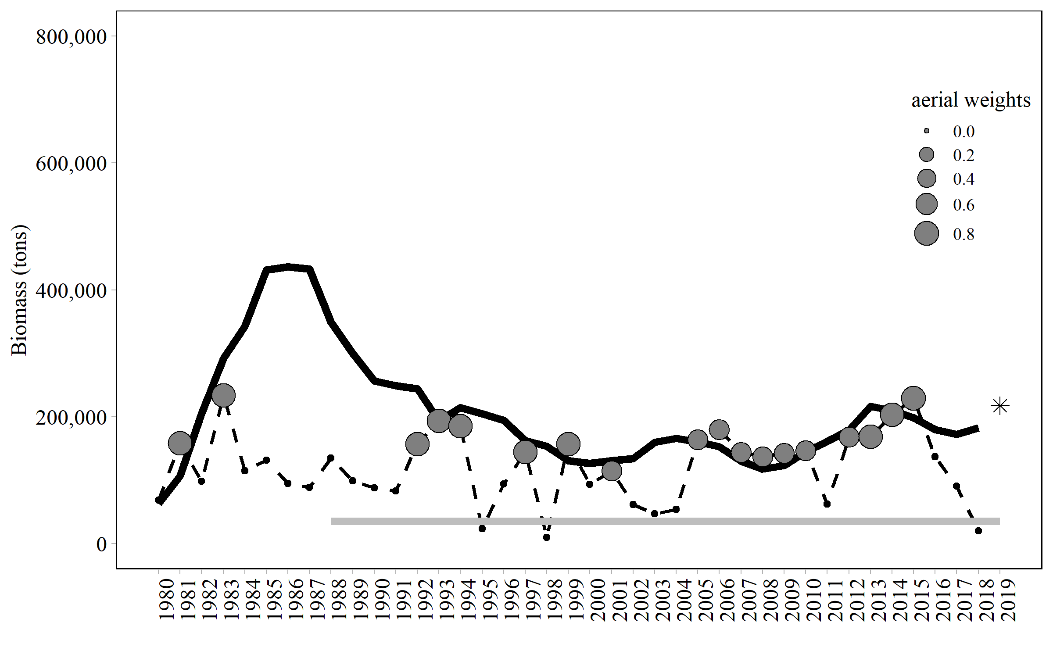
2008 | 136840 | 117350 | 136840 | 2008 | 0.10865 | 2008 | 0.10865
2009 | 142155 | 122903 | 142155 | 2009 | 0.102903 | 2009 | 0.102903
2010 | 146914 | 144688 | 146914 | 2010 | 0.0107962 | 2010 | 0.0107962
2011 | 62333.6 | 161312 |  | 2011 | 0 | 2011 | 0
2012 | 167740 | 178859 | 167740 | 2012 | -0.0453858 | 2012 | -0.0453858
2013 | 169022 | 216418 | 169022 | 2013 | -0.214068 | 2013 | -0.214068
2014 | 203269 | 209824 | 203269 | 2014 | -0.0274886 | 2014 | -0.0274886
2015 | 228809 | 198657 | 228809 | 2015 | 0.126391 | 2015 | 0.126391
2016 | 136994 | 179635 |  | 2016 | 0 | 2016 | 0
2017 | 90269.5 | 171881 |  | 2017 | 0 | 2017 | 0
2018 | 19753.9 | 182850 |  | 2018 | 0 | 2018 | 0
2019

Fig2
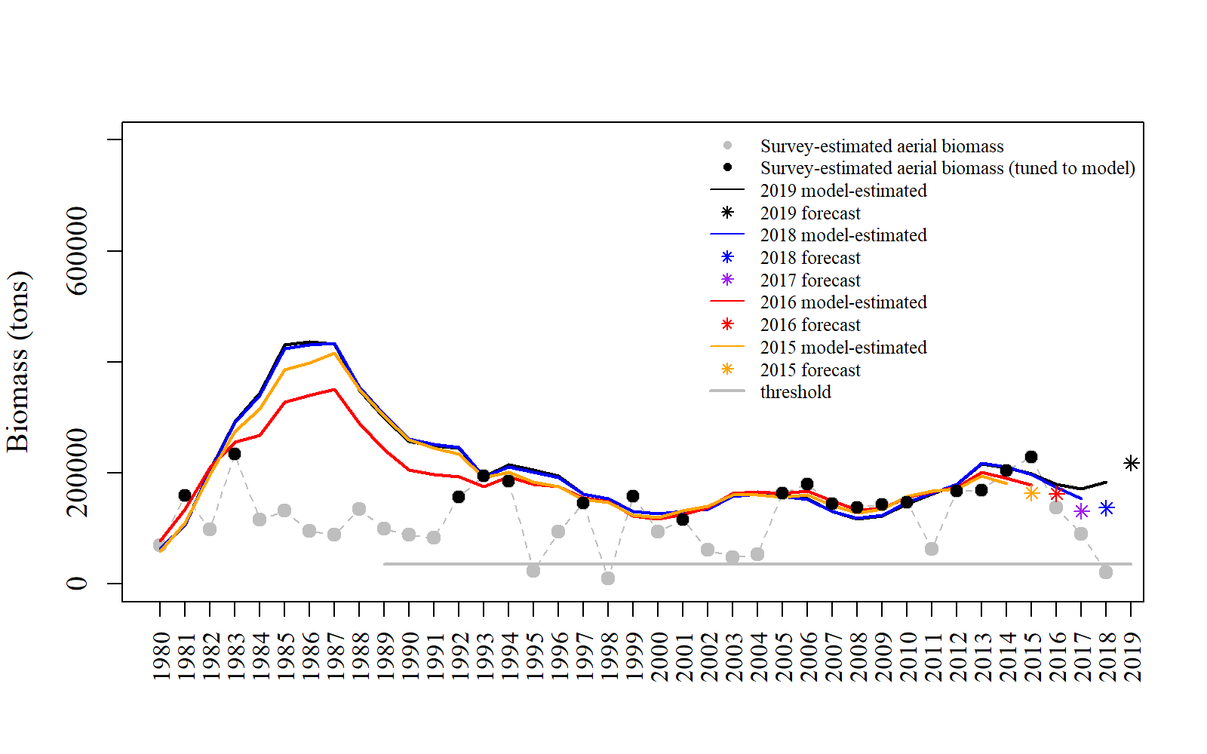
Year | tot_obs_aerial_tons | tot_mat_B_tons | tot_obs_aerial_tuned_tons | yminusfour | yminusthree | yminustwo | yminusone | threshold
1980 | 68686.1 | 63149.3 |  | 58888 | 77980 |  | 63499.4
1981 | 158650 | 106416 | 158650 | 109638 | 135211 |  | 105867
1982 | 97902.9 | 204685 |  | 197028 | 209852 |  | 203891
1983 | 233702 | 292030 | 233702 | 274969 | 254955 |  | 290816
1984 | 114880 | 343218 |  | 315702 | 267237 |  | 340282
1985 | 131400 | 431405 |  | 385749 | 327852 |  | 423793
1986 | 94770.1 | 436420 |  | 398561 | 340136 |  | 430950
1987 | 88397.6 | 432643 |  | 415923 | 350373 |  | 433736
1988 | 134718 | 349125 |  | 351064 | 288862 |  | 354328 | 35000
1989 | 98965.1 | 299394 |  | 301590 | 241975 |  | 304129 | 35000
1990 | 88105.1 | 256736 |  | 259619 | 205330 |  | 260852 | 35000
1991 | 83229.1 | 248954 |  | 244676 | 197715 |  | 251075 | 35000
1992 | 156957 | 244267 | 156957 | 233700 | 193639 |  | 245332 | 35000
1993 | 193847 | 193379 | 193847 | 192144 | 175370 |  | 193490 | 35000
1994 | 185412 | 214479 | 185412 | 201351 | 193292 |  | 211187 | 35000
1995 | 23550.2 | 204624 |  | 183803 | 179832 |  | 200524 | 35000
1996 | 94051.9 | 194538 |  | 175855 | 175108 |  | 191894 | 35000
1997 | 144888 | 162303 | 144888 | 152810 | 154537 |  | 161548 | 35000
1998 | 9872.1 | 153553 |  | 146454 | 148286 |  | 153243 | 35000
1999 | 157030 | 130657 | 157030 | 123202 | 122684 |  | 130099 | 35000
2000 | 93214.9 | 126450 |  | 120139 | 116472 |  | 125936 | 35000
2001 | 115156 | 130526 | 115156 | 131665 | 125157 |  | 131077 | 35000
2002 | 61377.6 | 134193 |  | 140088 | 137273 |  | 134509 | 35000
2003 | 47074.5 | 159487 |  | 160914 | 163266 |  | 157263 | 35000
2004 | 53625.5 | 166197 |  | 160237 | 165144 |  | 162144 | 35000
2005 | 163739 | 160285 | 163739 | 156850 | 162426 |  | 157485 | 35000
2006 | 179582 | 153115 | 179582 | 159776 | 167738 |  | 152745 | 35000
2007 | 143828 | 129887 | 143828 | 141509 | 149640 |  | 130857 | 35000
2008 | 136840 | 117350 | 136840 | 128276 | 133204 |  | 118541 | 35000
2009 | 142155 | 122903 | 142155 | 134670 | 135304 |  | 124272 | 35000
2010 | 146914 | 144688 | 146914 | 157687 | 155786 |  | 146489 | 35000
2011 | 62333.6 | 161312 |  | 167234 | 166383 |  | 162670 | 35000
2012 | 167740 | 178859 | 167740 | 171880 | 174124 |  | 179458 | 35000
2013 | 169022 | 216418 | 169022 | 194771 | 200752 |  | 217268 | 35000
2014 | 203269 | 209824 | 203269 | 181296 | 190640 |  | 210615 | 35000
2015 | 228809 | 198657 | 228809 |  | 178368 |  | 197216 | 35000
2016 | 136994 | 179635 |  |  |  |  | 173410 | 35000
2017 | 90269.5 | 171881 |  |  |  |  | 153150 | 35000
2018 | 19753.9 | 182850 |  |  |  |  |  | 35000

Fig3
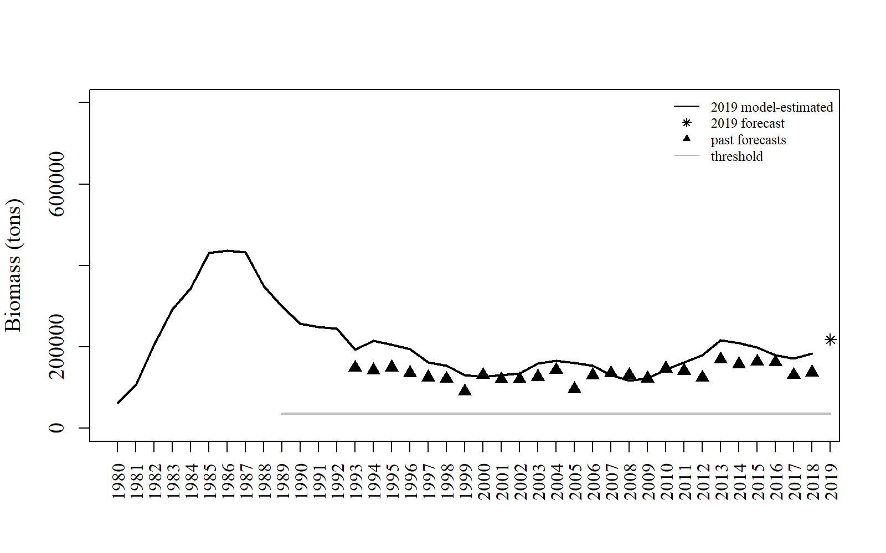
Year | tot_obs_aerial_tons | tot_mat_B_tons | tot_obs_aerial_tuned_tons | past_forecasts | threshold
1980 | 68686.1 | 63149.3
1981 | 158650 | 106416 | 158650
1982 | 97902.9 | 204685
1983 | 233702 | 292030 | 233702
1984 | 114880 | 343218
1985 | 131400 | 431405
1986 | 94770.1 | 436420
1987 | 88397.6 | 432643
1988 | 134718 | 349125 |  |  | 35000
1989 | 98965.1 | 299394 |  |  | 35000
1990 | 88105.1 | 256736 |  |  | 35000
1991 | 83229.1 | 248954 |  |  | 35000
1992 | 156957 | 244267 | 156957 |  | 35000
1993 | 193847 | 193379 | 193847 | 148786 | 35000
1994 | 185412 | 214479 | 185412 | 142497 | 35000
1995 | 23550.2 | 204624 |  | 149093 | 35000
1996 | 94051.9 | 194538 |  | 135585 | 35000
1997 | 144888 | 162303 | 144888 | 125000 | 35000
1998 | 9872.1 | 153553 |  | 121000 | 35000
1999 | 157030 | 130657 | 157030 | 90000 | 35000
2000 | 93214.9 | 126450 |  | 130904 | 35000
2001 | 115156 | 130526 | 115156 | 119818 | 35000
2002 | 61377.6 | 134193 |  | 120196 | 35000
2003 | 47074.5 | 159487 |  | 126213 | 35000
2004 | 53625.5 | 166197 |  | 143124 | 35000
2005 | 163739 | 160285 | 163739 | 96029 | 35000
2006 | 179582 | 153115 | 179582 | 129976 | 35000
2007 | 143828 | 129887 | 143828 | 134566 | 35000
2008 | 136840 | 117350 | 136840 | 130516 | 35000
2009 | 142155 | 122903 | 142155 | 121800 | 35000
2010 | 146914 | 144688 | 146914 | 146775 | 35000
2011 | 62333.6 | 161312 |  | 140860 | 35000
2012 | 167740 | 178859 | 167740 | 123745 | 35000
2013 | 169022 | 216418 | 169022 | 169094 | 35000
2014 | 203269 | 209824 | 203269 | 157448 | 35000
2015 | 228809 | 198657 | 228809 | 163480 | 35000
2016 | 136994 | 179635 |  | 162224 | 35000
2017 | 90269.5 | 171881 |  | 130852 | 35000
2018 | 19753.9 | 182850 |  | 136756 | 35000

Fig4
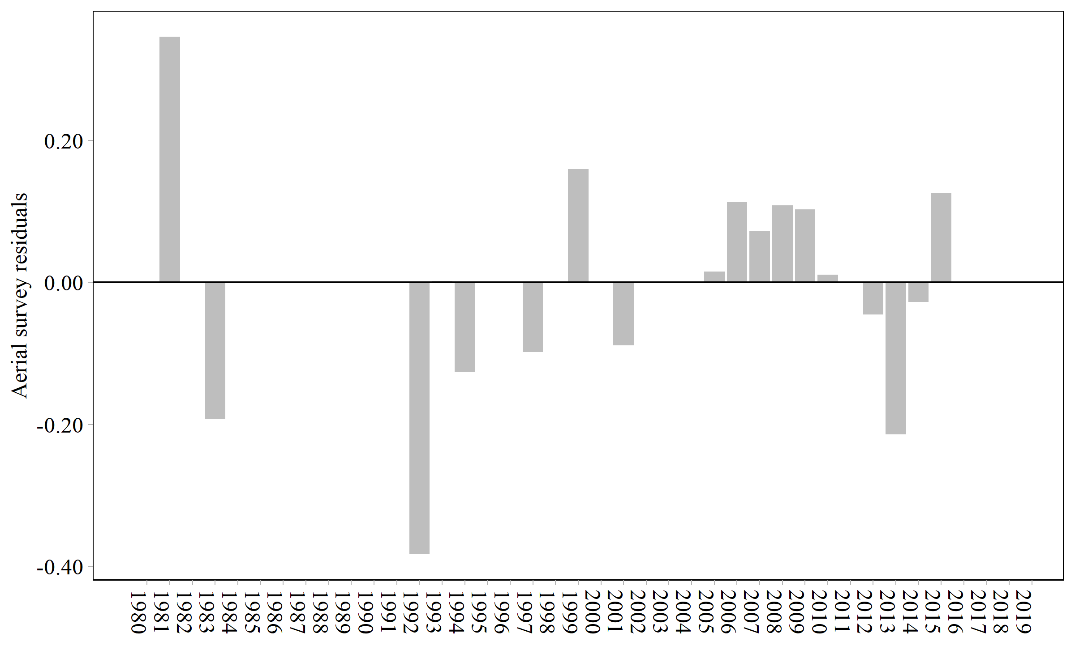
Year | res_aerial
1980 | 0
1981 | 0.345838
1982 | 0
1983 | -0.192958
1984 | 0
1985 | 0
1986 | 0
1987 | 0
1988 | 0
1989 | 0
1990 | 0
1991 | 0
1992 | -0.383034
1993 | 0.00209178
1994 | -0.126123
1995 | 0
1996 | 0
1997 | -0.0982935
1998 | 0
1999 | 0.159224
2000 | 0
2001 | -0.0885883
2002 | 0
2003 | 0
2004 | 0
2005 | 0.0150729
2006 | 0.112743
2007 | 0.0720933
2008 | 0.10865
2009 | 0.102903
2010 | 0.0107962
2011 | 0
2012 | -0.0453858
2013 | -0.214068
2014 | -0.0274886
2015 | 0.126391
2016 | 0
2017 | 0
2018 | 0

Fig5
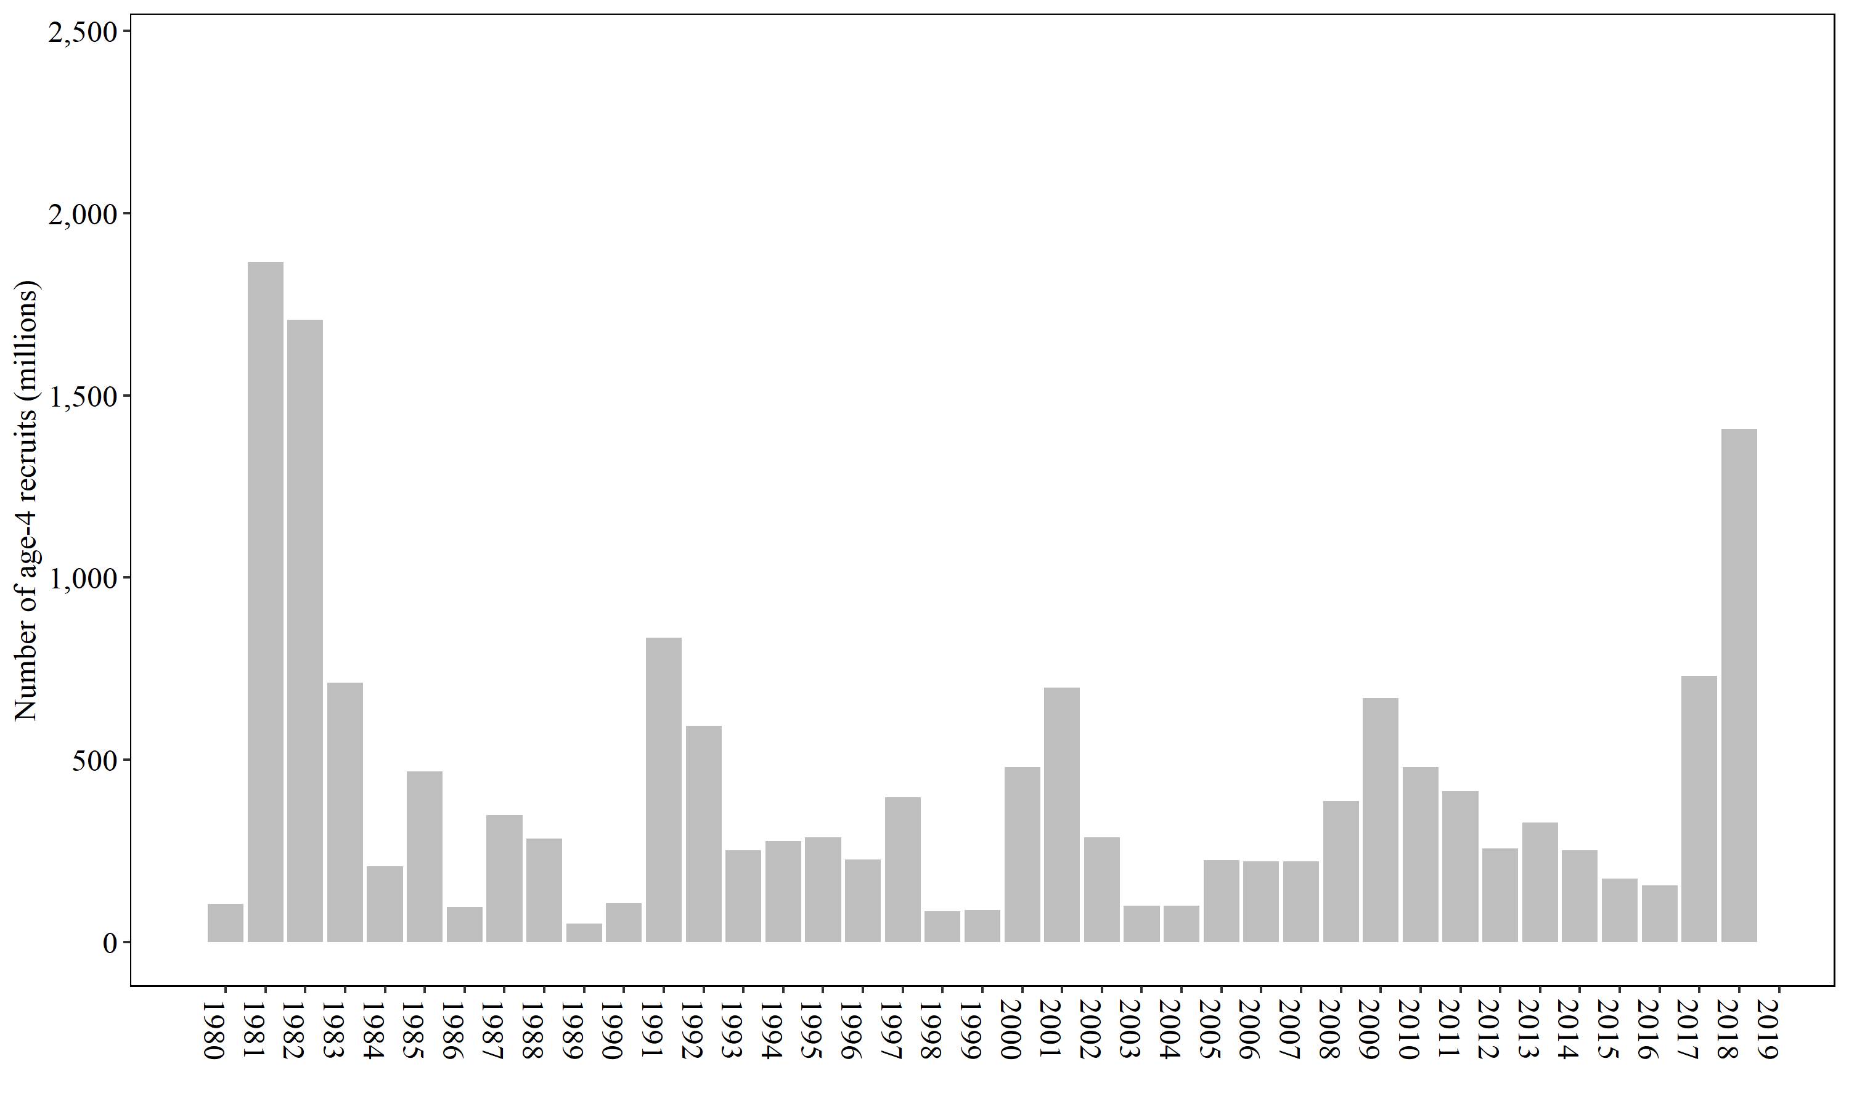
Year | init_age_4
1980 | 103.927
1981 | 1866.01
1982 | 1707.8
1983 | 712.017
1984 | 207.351
1985 | 468.377
1986 | 95.5099
1987 | 348.665
1988 | 283.587
1989 | 50.1366
1990 | 107.159
1991 | 835.864
1992 | 592.896
1993 | 252.208
1994 | 276.531
1995 | 286.948
1996 | 225.677
1997 | 397.705
1998 | 85.0074
1999 | 87.2097
2000 | 479.719
2001 | 697.578
2002 | 286.606
2003 | 100.265
2004 | 99.8095
2005 | 225.204
2006 | 220.629
2007 | 222.141
2008 | 387.658
2009 | 668.718
2010 | 480.146
2011 | 414.786
2012 | 257.232
2013 | 327.83
2014 | 251.932
2015 | 174.692
2016 | 155.219
2017 | 730.692
2018 | 1408.6

Fig6
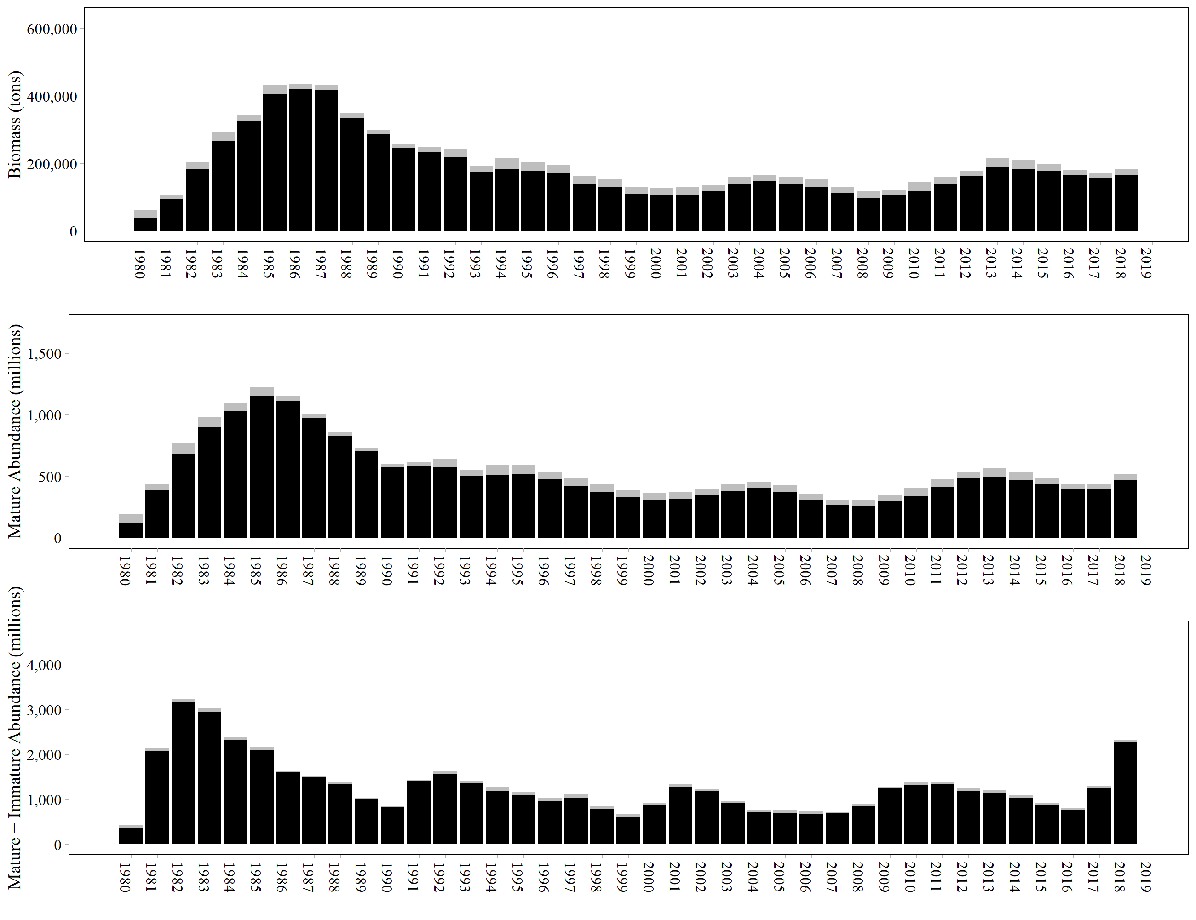
Year | N | tot_post_N | tot_sp_N | tot_mat_N | Catch1 | Catch2
1980 | 433.49 | 358.701 | 119.658 | 194.447 | 74.789 | 74.789
1981 | 2129.93 | 2082.11 | 389.443 | 437.257 | 47.814 | 47.82
1982 | 3239.72 | 3159.35 | 683.844 | 764.212 | 80.368 | 80.37
1983 | 3036.53 | 2949.52 | 895.93 | 982.94 | 87.01 | 87.01
1984 | 2377.47 | 2317.73 | 1029.92 | 1089.67 | 59.75 | 59.74
1985 | 2173.66 | 2101.97 | 1154.49 | 1226.18 | 71.69 | 71.69
1986 | 1642.04 | 1599.25 | 1110.36 | 1153.15 | 42.79 | 42.79
1987 | 1525.32 | 1489.43 | 974.393 | 1010.29 | 35.897 | 35.89
1988 | 1379.44 | 1345.77 | 824.476 | 858.145 | 33.669 | 33.67
1989 | 1040.29 | 1010.98 | 700.784 | 730.1 | 29.316 | 29.31
1990 | 850.991 | 822.776 | 572.701 | 600.916 | 28.215 | 28.215
1991 | 1441.23 | 1406.74 | 581.936 | 616.423 | 34.487 | 34.49
1992 | 1627.91 | 1566.72 | 576.616 | 637.805 | 61.189 | 61.19
1993 | 1404.93 | 1357.97 | 502.583 | 549.543 | 46.96 | 46.96
1994 | 1275.66 | 1195.95 | 509.164 | 588.875 | 79.711 | 79.71
1995 | 1166.88 | 1095.15 | 519.307 | 591.036 | 71.729 | 71.73
1996 | 1031.44 | 966.864 | 473.454 | 538.027 | 64.573 | 64.576
1997 | 1109.08 | 1041.53 | 418.227 | 485.774 | 67.547 | 67.55
1998 | 851.32 | 789.025 | 372.967 | 435.263 | 62.296 | 62.295
1999 | 667.738 | 611.246 | 332.692 | 389.185 | 56.493 | 56.492
2000 | 929.446 | 873.905 | 305.139 | 360.681 | 55.542 | 55.541
2001 | 1340.56 | 1280.35 | 311.902 | 372.109 | 60.207 | 60.21
2002 | 1228.63 | 1182.09 | 347.301 | 393.837 | 46.536 | 46.54
2003 | 969.996 | 913.489 | 381.661 | 438.168 | 56.507 | 56.507
2004 | 771.913 | 723.334 | 403.018 | 451.598 | 48.58 | 48.579
2005 | 757.4 | 704.207 | 371.539 | 424.733 | 53.194 | 53.193
2006 | 738.753 | 682.705 | 301.835 | 357.882 | 56.047 | 56.048
2007 | 724.445 | 685.017 | 268.573 | 308.001 | 39.428 | 39.428
2008 | 891.663 | 839.994 | 255.041 | 306.709 | 51.668 | 51.669
2009 | 1286.75 | 1242.1 | 298.78 | 343.43 | 44.65 | 44.65
2010 | 1394.03 | 1324.17 | 337.799 | 407.652 | 69.853 | 69.86
2011 | 1389.05 | 1331.64 | 414.952 | 472.362 | 57.41 | 57.41
2012 | 1236.99 | 1189.56 | 481.779 | 529.213 | 47.434 | 47.43
2013 | 1203.05 | 1134.99 | 494.094 | 562.154 | 68.06 | 68.06
2014 | 1087.01 | 1023.69 | 468.013 | 531.328 | 63.315 | 63.32
2015 | 927.881 | 875.605 | 433.976 | 486.252 | 52.276 | 52.276
2016 | 799.449 | 763.225 | 400.69 | 436.914 | 36.224 | 36.224
2017 | 1292.24 | 1249.47 | 395.19 | 437.962 | 42.772 | 42.77
2018 | 2327.9 | 2282.21 | 471.46 | 517.153 | 45.693 | 45.69

Fig7
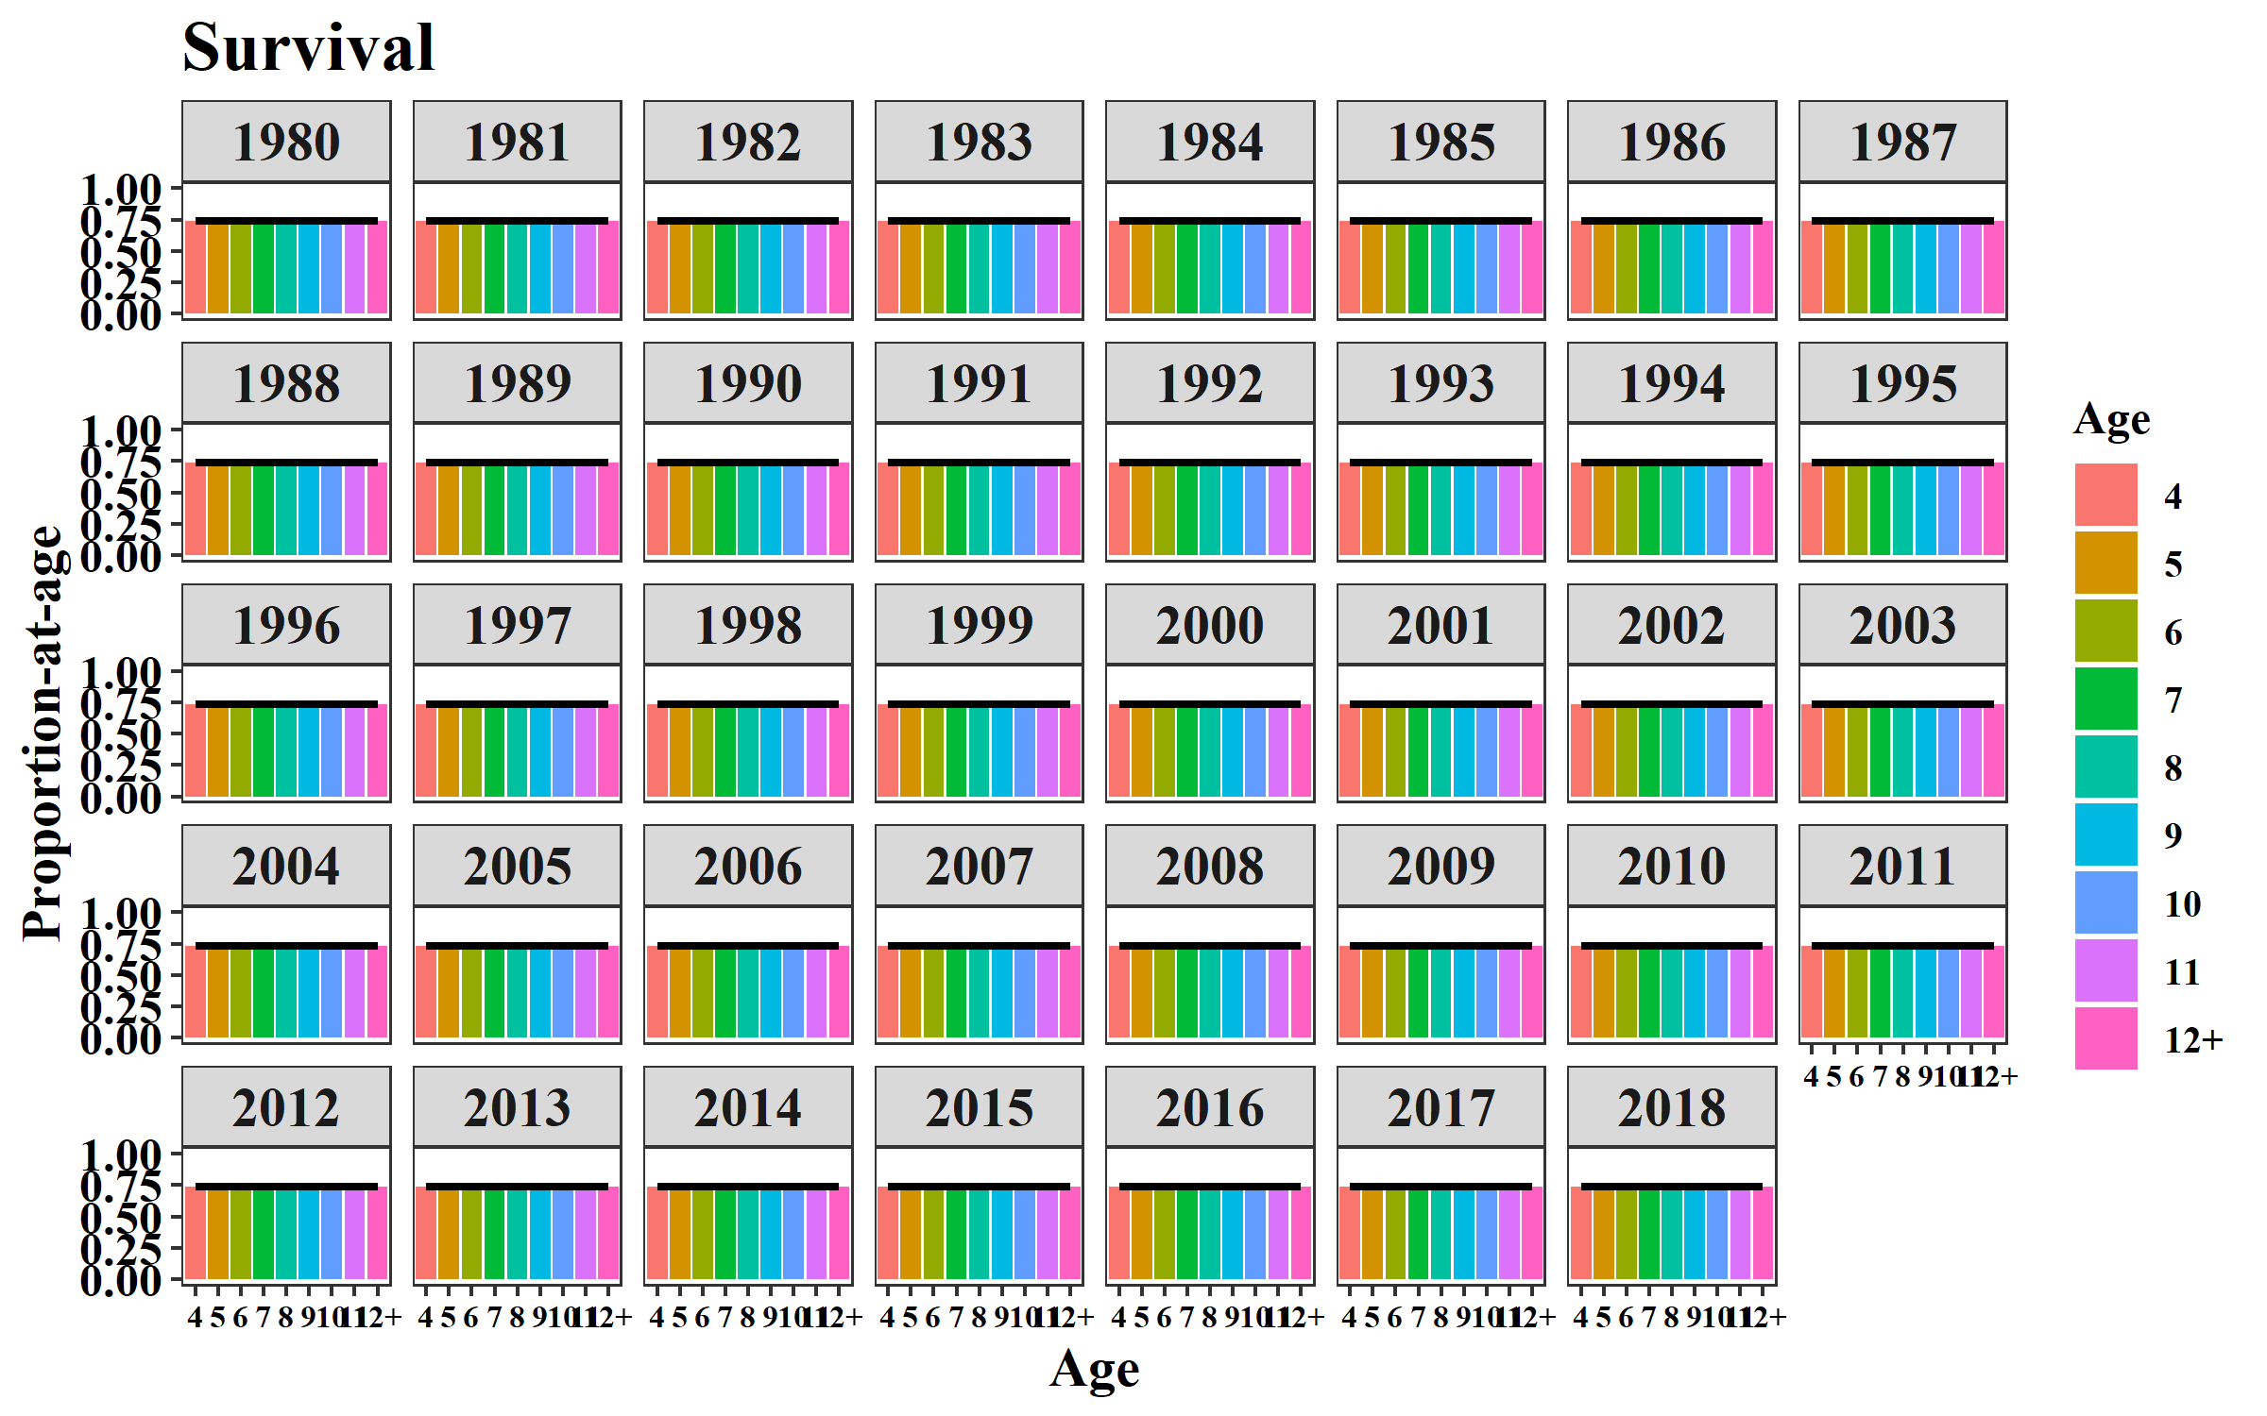
Year | Age | SUR | Year | Age | MAT | Year | Age | GS
1980 | 4 | 0.7358 | 1980 | 4 | 0.1462 | 1980 | 4 | 0.0665
1981 | 4 | 0.7358 | 1981 | 4 | 0.1462 | 1981 | 4 | 0.0665
1982 | 4 | 0.7358 | 1982 | 4 | 0.1462 | 1982 | 4 | 0.0665
1983 | 4 | 0.7358 | 1983 | 4 | 0.1462 | 1983 | 4 | 0.0665
1984 | 4 | 0.7358 | 1984 | 4 | 0.1462 | 1984 | 4 | 0.0665
1985 | 4 | 0.7358 | 1985 | 4 | 0.1462 | 1985 | 4 | 0.0665
1986 | 4 | 0.7358 | 1986 | 4 | 0.1462 | 1986 | 4 | 0.0665
1987 | 4 | 0.7358 | 1987 | 4 | 0.1462 | 1987 | 4 | 0.0665
1988 | 4 | 0.7358 | 1988 | 4 | 0.1462 | 1988 | 4 | 0.0665
1989 | 4 | 0.7358 | 1989 | 4 | 0.1462 | 1989 | 4 | 0.0665
1990 | 4 | 0.7358 | 1990 | 4 | 0.1462 | 1990 | 4 | 0.0665
1991 | 4 | 0.7358 | 1991 | 4 | 0.1462 | 1991 | 4 | 0.0665
1992 | 4 | 0.7358 | 1992 | 4 | 0.1462 | 1992 | 4 | 0.0665
1993 | 4 | 0.7358 | 1993 | 4 | 0.0703 | 1993 | 4 | 0.0665
1994 | 4 | 0.7358 | 1994 | 4 | 0.0703 | 1994 | 4 | 0.0665
1995 | 4 | 0.7358 | 1995 | 4 | 0.0703 | 1995 | 4 | 0.0665
1996 | 4 | 0.7358 | 1996 | 4 | 0.0703 | 1996 | 4 | 0.0665
1997 | 4 | 0.7358 | 1997 | 4 | 0.0703 | 1997 | 4 | 0.0665
1998 | 4 | 0.7358 | 1998 | 4 | 0.0703 | 1998 | 4 | 0.0665
1999 | 4 | 0.7358 | 1999 | 4 | 0.0703 | 1999 | 4 | 0.0665
2000 | 4 | 0.7358 | 2000 | 4 | 0.0703 | 2000 | 4 | 0.0665
2001 | 4 | 0.7358 | 2001 | 4 | 0.0703 | 2001 | 4 | 0.0665
2002 | 4 | 0.7358 | 2002 | 4 | 0.0703 | 2002 | 4 | 0.0582
2003 | 4 | 0.7358 | 2003 | 4 | 0.0703 | 2003 | 4 | 0.0582
2004 | 4 | 0.7358 | 2004 | 4 | 0.0703 | 2004 | 4 | 0.0582
2005 | 4 | 0.7358 | 2005 | 4 | 0.0703 | 2005 | 4 | 0.0582
2006 | 4 | 0.7358 | 2006 | 4 | 0.0703 | 2006 | 4 | 0.0582
2007 | 4 | 0.7358 | 2007 | 4 | 0.0703 | 2007 | 4 | 0.0582
2008 | 4 | 0.7358 | 2008 | 4 | 0.0703 | 2008 | 4 | 0.0582
2009 | 4 | 0.7358 | 2009 | 4 | 0.0703 | 2009 | 4 | 0.0582
2010 | 4 | 0.7358 | 2010 | 4 | 0.0703 | 2010 | 4 | 0.0582
2011 | 4 | 0.7358 | 2011 | 4 | 0.0703 | 2011 | 4 | 0.0582
2012 | 4 | 0.7358 | 2012 | 4 | 0.0703 | 2012 | 4 | 0.0582
2013 | 4 | 0.7358 | 2013 | 4 | 0.0703 | 2013 | 4 | 0.0582
2014 | 4 | 0.7358 | 2014 | 4 | 0.0703 | 2014 | 4 | 0.0582
2015 | 4 | 0.7358 | 2015 | 4 | 0.0703 | 2015 | 4 | 0.0582
2016 | 4 | 0.7358 | 2016 | 4 | 0.0703 | 2016 | 4 | 0.0582
2017 | 4 | 0.7358 | 2017 | 4 | 0.0703 | 2017 | 4 | 0.0582
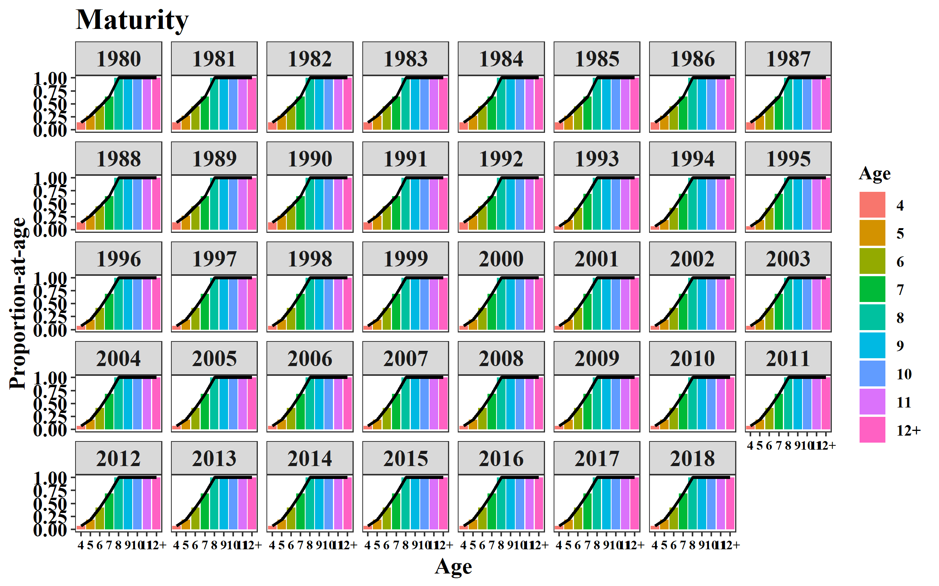
2018 | 4 | 0.7358 | 2018 | 4 | 0.0703 | 2018 | 4 | 0.0582
1980 | 5 | 0.7358 | 1980 | 5 | 0.273 | 1980 | 5 | 0.1788
1981 | 5 | 0.7358 | 1981 | 5 | 0.273 | 1981 | 5 | 0.1788
1982 | 5 | 0.7358 | 1982 | 5 | 0.273 | 1982 | 5 | 0.1788
1983 | 5 | 0.7358 | 1983 | 5 | 0.273 | 1983 | 5 | 0.1788
1984 | 5 | 0.7358 | 1984 | 5 | 0.273 | 1984 | 5 | 0.1788
1985 | 5 | 0.7358 | 1985 | 5 | 0.273 | 1985 | 5 | 0.1788
1986 | 5 | 0.7358 | 1986 | 5 | 0.273 | 1986 | 5 | 0.1788
1987 | 5 | 0.7358 | 1987 | 5 | 0.273 | 1987 | 5 | 0.1788
1988 | 5 | 0.7358 | 1988 | 5 | 0.273 | 1988 | 5 | 0.1788
1989 | 5 | 0.7358 | 1989 | 5 | 0.273 | 1989 | 5 | 0.1788
1990 | 5 | 0.7358 | 1990 | 5 | 0.273 | 1990 | 5 | 0.1788
1991 | 5 | 0.7358 | 1991 | 5 | 0.273 | 1991 | 5 | 0.1788
1992 | 5 | 0.7358 | 1992 | 5 | 0.273 | 1992 | 5 | 0.1788
1993 | 5 | 0.7358 | 1993 | 5 | 0.1895 | 1993 | 5 | 0.1788
1994 | 5 | 0.7358 | 1994 | 5 | 0.1895 | 1994 | 5 | 0.1788
1995 | 5 | 0.7358 | 1995 | 5 | 0.1895 | 1995 | 5 | 0.1788
1996 | 5 | 0.7358 | 1996 | 5 | 0.1895 | 1996 | 5 | 0.1788
1997 | 5 | 0.7358 | 1997 | 5 | 0.1895 | 1997 | 5 | 0.1788
1998 | 5 | 0.7358 | 1998 | 5 | 0.1895 | 1998 | 5 | 0.1788
1999 | 5 | 0.7358 | 1999 | 5 | 0.1895 | 1999 | 5 | 0.1788
2000 | 5 | 0.7358 | 2000 | 5 | 0.1895 | 2000 | 5 | 0.1788
2001 | 5 | 0.7358 | 2001 | 5 | 0.1895 | 2001 | 5 | 0.1788
2002 | 5 | 0.7358 | 2002 | 5 | 0.1895 | 2002 | 5 | 0.1867
2003 | 5 | 0.7358 | 2003 | 5 | 0.1895 | 2003 | 5 | 0.1867
2004 | 5 | 0.7358 | 2004 | 5 | 0.1895 | 2004 | 5 | 0.1867
2005 | 5 | 0.7358 | 2005 | 5 | 0.1895 | 2005 | 5 | 0.1867
2006 | 5 | 0.7358 | 2006 | 5 | 0.1895 | 2006 | 5 | 0.1867
2007 | 5 | 0.7358 | 2007 | 5 | 0.1895 | 2007 | 5 | 0.1867
2008 | 5 | 0.7358 | 2008 | 5 | 0.1895 | 2008 | 5 | 0.1867
2009 | 5 | 0.7358 | 2009 | 5 | 0.1895 | 2009 | 5 | 0.1867
2010 | 5 | 0.7358 | 2010 | 5 | 0.1895 | 2010 | 5 | 0.1867
2011 | 5 | 0.7358 | 2011 | 5 | 0.1895 | 2011 | 5 | 0.1867
2012 | 5 | 0.7358 | 2012 | 5 | 0.1895 | 2012 | 5 | 0.1867
2013 | 5 | 0.7358 | 2013 | 5 | 0.1895 | 2013 | 5 | 0.1867
2014 | 5 | 0.7358 | 2014 | 5 | 0.1895 | 2014 | 5 | 0.1867
2015 | 5 | 0.7358 | 2015 | 5 | 0.1895 | 2015 | 5 | 0.1867
2016 | 5 | 0.7358 | 2016 | 5 | 0.1895 | 2016 | 5 | 0.1867
2017 | 5 | 0.7358 | 2017 | 5 | 0.1895 | 2017 | 5 | 0.1867
2018 | 5 | 0.7358 | 2018 | 5 | 0.1895 | 2018 | 5 | 0.1867
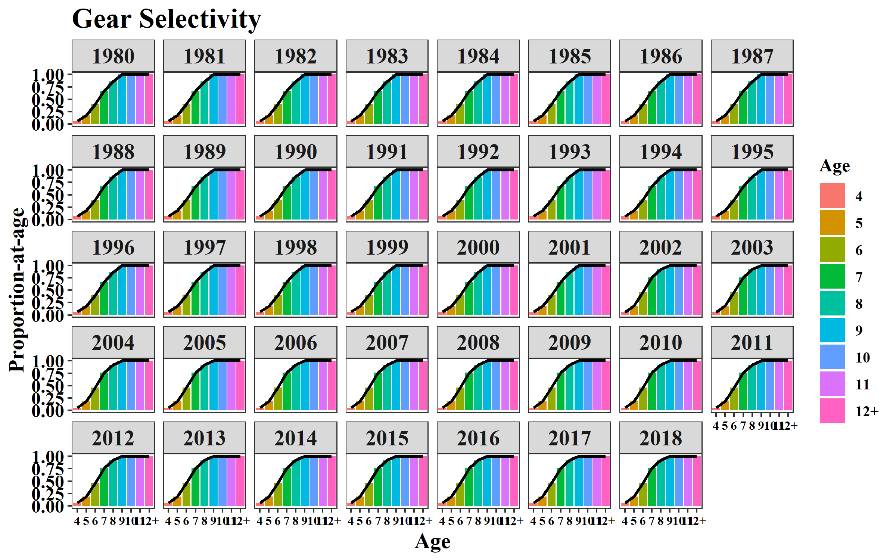
1980 | 6 | 0.7358 | 1980 | 6 | 0.4516 | 1980 | 6 | 0.3996
1981 | 6 | 0.7358 | 1981 | 6 | 0.4516 | 1981 | 6 | 0.3996
1982 | 6 | 0.7358 | 1982 | 6 | 0.4516 | 1982 | 6 | 0.3996
1983 | 6 | 0.7358 | 1983 | 6 | 0.4516 | 1983 | 6 | 0.3996
1984 | 6 | 0.7358 | 1984 | 6 | 0.4516 | 1984 | 6 | 0.3996
1985 | 6 | 0.7358 | 1985 | 6 | 0.4516 | 1985 | 6 | 0.3996
1986 | 6 | 0.7358 | 1986 | 6 | 0.4516 | 1986 | 6 | 0.3996
1987 | 6 | 0.7358 | 1987 | 6 | 0.4516 | 1987 | 6 | 0.3996
1988 | 6 | 0.7358 | 1988 | 6 | 0.4516 | 1988 | 6 | 0.3996
1989 | 6 | 0.7358 | 1989 | 6 | 0.4516 | 1989 | 6 | 0.3996
1990 | 6 | 0.7358 | 1990 | 6 | 0.4516 | 1990 | 6 | 0.3996
1991 | 6 | 0.7358 | 1991 | 6 | 0.4516 | 1991 | 6 | 0.3996
1992 | 6 | 0.7358 | 1992 | 6 | 0.4516 | 1992 | 6 | 0.3996
1993 | 6 | 0.7358 | 1993 | 6 | 0.4195 | 1993 | 6 | 0.3996
1994 | 6 | 0.7358 | 1994 | 6 | 0.4195 | 1994 | 6 | 0.3996
1995 | 6 | 0.7358 | 1995 | 6 | 0.4195 | 1995 | 6 | 0.3996
1996 | 6 | 0.7358 | 1996 | 6 | 0.4195 | 1996 | 6 | 0.3996
1997 | 6 | 0.7358 | 1997 | 6 | 0.4195 | 1997 | 6 | 0.3996
1998 | 6 | 0.7358 | 1998 | 6 | 0.4195 | 1998 | 6 | 0.3996
1999 | 6 | 0.7358 | 1999 | 6 | 0.4195 | 1999 | 6 | 0.3996
2000 | 6 | 0.7358 | 2000 | 6 | 0.4195 | 2000 | 6 | 0.3996
2001 | 6 | 0.7358 | 2001 | 6 | 0.4195 | 2001 | 6 | 0.3996
2002 | 6 | 0.7358 | 2002 | 6 | 0.4195 | 2002 | 6 | 0.4605
2003 | 6 | 0.7358 | 2003 | 6 | 0.4195 | 2003 | 6 | 0.4605
2004 | 6 | 0.7358 | 2004 | 6 | 0.4195 | 2004 | 6 | 0.4605
2005 | 6 | 0.7358 | 2005 | 6 | 0.4195 | 2005 | 6 | 0.4605
2006 | 6 | 0.7358 | 2006 | 6 | 0.4195 | 2006 | 6 | 0.4605
2007 | 6 | 0.7358 | 2007 | 6 | 0.4195 | 2007 | 6 | 0.4605
2008 | 6 | 0.7358 | 2008 | 6 | 0.4195 | 2008 | 6 | 0.4605
2009 | 6 | 0.7358 | 2009 | 6 | 0.4195 | 2009 | 6 | 0.4605
2010 | 6 | 0.7358 | 2010 | 6 | 0.4195 | 2010 | 6 | 0.4605
2011 | 6 | 0.7358 | 2011 | 6 | 0.4195 | 2011 | 6 | 0.4605
2012 | 6 | 0.7358 | 2012 | 6 | 0.4195 | 2012 | 6 | 0.4605
2013 | 6 | 0.7358 | 2013 | 6 | 0.4195 | 2013 | 6 | 0.4605
2014 | 6 | 0.7358 | 2014 | 6 | 0.4195 | 2014 | 6 | 0.4605
2015 | 6 | 0.7358 | 2015 | 6 | 0.4195 | 2015 | 6 | 0.4605
2016 | 6 | 0.7358 | 2016 | 6 | 0.4195 | 2016 | 6 | 0.4605
2017 | 6 | 0.7358 | 2017 | 6 | 0.4195 | 2017 | 6 | 0.4605
2018 | 6 | 0.7358 | 2018 | 6 | 0.4195 | 2018 | 6 | 0.4605
1980 | 7 | 0.7358 | 1980 | 7 | 0.6435 | 1980 | 7 | 0.6704
1981 | 7 | 0.7358 | 1981 | 7 | 0.6435 | 1981 | 7 | 0.6704
1982 | 7 | 0.7358 | 1982 | 7 | 0.6435 | 1982 | 7 | 0.6704
1983 | 7 | 0.7358 | 1983 | 7 | 0.6435 | 1983 | 7 | 0.6704
1984 | 7 | 0.7358 | 1984 | 7 | 0.6435 | 1984 | 7 | 0.6704
1985 | 7 | 0.7358 | 1985 | 7 | 0.6435 | 1985 | 7 | 0.6704
1986 | 7 | 0.7358 | 1986 | 7 | 0.6435 | 1986 | 7 | 0.6704
1987 | 7 | 0.7358 | 1987 | 7 | 0.6435 | 1987 | 7 | 0.6704
1988 | 7 | 0.7358 | 1988 | 7 | 0.6435 | 1988 | 7 | 0.6704
1989 | 7 | 0.7358 | 1989 | 7 | 0.6435 | 1989 | 7 | 0.6704
1990 | 7 | 0.7358 | 1990 | 7 | 0.6435 | 1990 | 7 | 0.6704
1991 | 7 | 0.7358 | 1991 | 7 | 0.6435 | 1991 | 7 | 0.6704
1992 | 7 | 0.7358 | 1992 | 7 | 0.6435 | 1992 | 7 | 0.6704
1993 | 7 | 0.7358 | 1993 | 7 | 0.6907 | 1993 | 7 | 0.6704
1994 | 7 | 0.7358 | 1994 | 7 | 0.6907 | 1994 | 7 | 0.6704
1995 | 7 | 0.7358 | 1995 | 7 | 0.6907 | 1995 | 7 | 0.6704
1996 | 7 | 0.7358 | 1996 | 7 | 0.6907 | 1996 | 7 | 0.6704
1997 | 7 | 0.7358 | 1997 | 7 | 0.6907 | 1997 | 7 | 0.6704
1998 | 7 | 0.7358 | 1998 | 7 | 0.6907 | 1998 | 7 | 0.6704
1999 | 7 | 0.7358 | 1999 | 7 | 0.6907 | 1999 | 7 | 0.6704
2000 | 7 | 0.7358 | 2000 | 7 | 0.6907 | 2000 | 7 | 0.6704
2001 | 7 | 0.7358 | 2001 | 7 | 0.6907 | 2001 | 7 | 0.6704
2002 | 7 | 0.7358 | 2002 | 7 | 0.6907 | 2002 | 7 | 0.7604
2003 | 7 | 0.7358 | 2003 | 7 | 0.6907 | 2003 | 7 | 0.7604
2004 | 7 | 0.7358 | 2004 | 7 | 0.6907 | 2004 | 7 | 0.7604
2005 | 7 | 0.7358 | 2005 | 7 | 0.6907 | 2005 | 7 | 0.7604
2006 | 7 | 0.7358 | 2006 | 7 | 0.6907 | 2006 | 7 | 0.7604
2007 | 7 | 0.7358 | 2007 | 7 | 0.6907 | 2007 | 7 | 0.7604
2008 | 7 | 0.7358 | 2008 | 7 | 0.6907 | 2008 | 7 | 0.7604
2009 | 7 | 0.7358 | 2009 | 7 | 0.6907 | 2009 | 7 | 0.7604
2010 | 7 | 0.7358 | 2010 | 7 | 0.6907 | 2010 | 7 | 0.7604
2011 | 7 | 0.7358 | 2011 | 7 | 0.6907 | 2011 | 7 | 0.7604
2012 | 7 | 0.7358 | 2012 | 7 | 0.6907 | 2012 | 7 | 0.7604
2013 | 7 | 0.7358 | 2013 | 7 | 0.6907 | 2013 | 7 | 0.7604
2014 | 7 | 0.7358 | 2014 | 7 | 0.6907 | 2014 | 7 | 0.7604
2015 | 7 | 0.7358 | 2015 | 7 | 0.6907 | 2015 | 7 | 0.7604
2016 | 7 | 0.7358 | 2016 | 7 | 0.6907 | 2016 | 7 | 0.7604
2017 | 7 | 0.7358 | 2017 | 7 | 0.6907 | 2017 | 7 | 0.7604
2018 | 7 | 0.7358 | 2018 | 7 | 0.6907 | 2018 | 7 | 0.7604
1980 | 8 | 0.7358 | 1980 | 8 | 1 | 1980 | 8 | 0.8614
1981 | 8 | 0.7358 | 1981 | 8 | 1 | 1981 | 8 | 0.8614
1982 | 8 | 0.7358 | 1982 | 8 | 1 | 1982 | 8 | 0.8614
1983 | 8 | 0.7358 | 1983 | 8 | 1 | 1983 | 8 | 0.8614
1984 | 8 | 0.7358 | 1984 | 8 | 1 | 1984 | 8 | 0.8614
1985 | 8 | 0.7358 | 1985 | 8 | 1 | 1985 | 8 | 0.8614
1986 | 8 | 0.7358 | 1986 | 8 | 1 | 1986 | 8 | 0.8614
1987 | 8 | 0.7358 | 1987 | 8 | 1 | 1987 | 8 | 0.8614
1988 | 8 | 0.7358 | 1988 | 8 | 1 | 1988 | 8 | 0.8614
1989 | 8 | 0.7358 | 1989 | 8 | 1 | 1989 | 8 | 0.8614
1990 | 8 | 0.7358 | 1990 | 8 | 1 | 1990 | 8 | 0.8614
1991 | 8 | 0.7358 | 1991 | 8 | 1 | 1991 | 8 | 0.8614
1992 | 8 | 0.7358 | 1992 | 8 | 1 | 1992 | 8 | 0.8614
1993 | 8 | 0.7358 | 1993 | 8 | 1 | 1993 | 8 | 0.8614
1994 | 8 | 0.7358 | 1994 | 8 | 1 | 1994 | 8 | 0.8614
1995 | 8 | 0.7358 | 1995 | 8 | 1 | 1995 | 8 | 0.8614
1996 | 8 | 0.7358 | 1996 | 8 | 1 | 1996 | 8 | 0.8614
1997 | 8 | 0.7358 | 1997 | 8 | 1 | 1997 | 8 | 0.8614
1998 | 8 | 0.7358 | 1998 | 8 | 1 | 1998 | 8 | 0.8614
1999 | 8 | 0.7358 | 1999 | 8 | 1 | 1999 | 8 | 0.8614
2000 | 8 | 0.7358 | 2000 | 8 | 1 | 2000 | 8 | 0.8614
2001 | 8 | 0.7358 | 2001 | 8 | 1 | 2001 | 8 | 0.8614
2002 | 8 | 0.7358 | 2002 | 8 | 1 | 2002 | 8 | 0.9219
2003 | 8 | 0.7358 | 2003 | 8 | 1 | 2003 | 8 | 0.9219
2004 | 8 | 0.7358 | 2004 | 8 | 1 | 2004 | 8 | 0.9219
2005 | 8 | 0.7358 | 2005 | 8 | 1 | 2005 | 8 | 0.9219
2006 | 8 | 0.7358 | 2006 | 8 | 1 | 2006 | 8 | 0.9219
2007 | 8 | 0.7358 | 2007 | 8 | 1 | 2007 | 8 | 0.9219
2008 | 8 | 0.7358 | 2008 | 8 | 1 | 2008 | 8 | 0.9219
2009 | 8 | 0.7358 | 2009 | 8 | 1 | 2009 | 8 | 0.9219
2010 | 8 | 0.7358 | 2010 | 8 | 1 | 2010 | 8 | 0.9219
2011 | 8 | 0.7358 | 2011 | 8 | 1 | 2011 | 8 | 0.9219
2012 | 8 | 0.7358 | 2012 | 8 | 1 | 2012 | 8 | 0.9219
2013 | 8 | 0.7358 | 2013 | 8 | 1 | 2013 | 8 | 0.9219
2014 | 8 | 0.7358 | 2014 | 8 | 1 | 2014 | 8 | 0.9219
2015 | 8 | 0.7358 | 2015 | 8 | 1 | 2015 | 8 | 0.9219
2016 | 8 | 0.7358 | 2016 | 8 | 1 | 2016 | 8 | 0.9219
2017 | 8 | 0.7358 | 2017 | 8 | 1 | 2017 | 8 | 0.9219
2018 | 8 | 0.7358 | 2018 | 8 | 1 | 2018 | 8 | 0.9219
1980 | 9 | 0.7358 | 1980 | 9 | 1 | 1980 | 9 | 1
1981 | 9 | 0.7358 | 1981 | 9 | 1 | 1981 | 9 | 1
1982 | 9 | 0.7358 | 1982 | 9 | 1 | 1982 | 9 | 1
1983 | 9 | 0.7358 | 1983 | 9 | 1 | 1983 | 9 | 1
1984 | 9 | 0.7358 | 1984 | 9 | 1 | 1984 | 9 | 1
1985 | 9 | 0.7358 | 1985 | 9 | 1 | 1985 | 9 | 1
1986 | 9 | 0.7358 | 1986 | 9 | 1 | 1986 | 9 | 1
1987 | 9 | 0.7358 | 1987 | 9 | 1 | 1987 | 9 | 1
1988 | 9 | 0.7358 | 1988 | 9 | 1 | 1988 | 9 | 1
1989 | 9 | 0.7358 | 1989 | 9 | 1 | 1989 | 9 | 1
1990 | 9 | 0.7358 | 1990 | 9 | 1 | 1990 | 9 | 1
1991 | 9 | 0.7358 | 1991 | 9 | 1 | 1991 | 9 | 1
1992 | 9 | 0.7358 | 1992 | 9 | 1 | 1992 | 9 | 1
1993 | 9 | 0.7358 | 1993 | 9 | 1 | 1993 | 9 | 1
1994 | 9 | 0.7358 | 1994 | 9 | 1 | 1994 | 9 | 1
1995 | 9 | 0.7358 | 1995 | 9 | 1 | 1995 | 9 | 1
1996 | 9 | 0.7358 | 1996 | 9 | 1 | 1996 | 9 | 1
1997 | 9 | 0.7358 | 1997 | 9 | 1 | 1997 | 9 | 1
1998 | 9 | 0.7358 | 1998 | 9 | 1 | 1998 | 9 | 1
1999 | 9 | 0.7358 | 1999 | 9 | 1 | 1999 | 9 | 1
2000 | 9 | 0.7358 | 2000 | 9 | 1 | 2000 | 9 | 1
2001 | 9 | 0.7358 | 2001 | 9 | 1 | 2001 | 9 | 1
2002 | 9 | 0.7358 | 2002 | 9 | 1 | 2002 | 9 | 1
2003 | 9 | 0.7358 | 2003 | 9 | 1 | 2003 | 9 | 1
2004 | 9 | 0.7358 | 2004 | 9 | 1 | 2004 | 9 | 1
2005 | 9 | 0.7358 | 2005 | 9 | 1 | 2005 | 9 | 1
2006 | 9 | 0.7358 | 2006 | 9 | 1 | 2006 | 9 | 1
2007 | 9 | 0.7358 | 2007 | 9 | 1 | 2007 | 9 | 1
2008 | 9 | 0.7358 | 2008 | 9 | 1 | 2008 | 9 | 1
2009 | 9 | 0.7358 | 2009 | 9 | 1 | 2009 | 9 | 1
2010 | 9 | 0.7358 | 2010 | 9 | 1 | 2010 | 9 | 1
2011 | 9 | 0.7358 | 2011 | 9 | 1 | 2011 | 9 | 1
2012 | 9 | 0.7358 | 2012 | 9 | 1 | 2012 | 9 | 1
2013 | 9 | 0.7358 | 2013 | 9 | 1 | 2013 | 9 | 1
2014 | 9 | 0.7358 | 2014 | 9 | 1 | 2014 | 9 | 1
2015 | 9 | 0.7358 | 2015 | 9 | 1 | 2015 | 9 | 1
2016 | 9 | 0.7358 | 2016 | 9 | 1 | 2016 | 9 | 1
2017 | 9 | 0.7358 | 2017 | 9 | 1 | 2017 | 9 | 1
2018 | 9 | 0.7358 | 2018 | 9 | 1 | 2018 | 9 | 1
1980 | 10 | 0.7358 | 1980 | 10 | 1 | 1980 | 10 | 1
1981 | 10 | 0.7358 | 1981 | 10 | 1 | 1981 | 10 | 1
1982 | 10 | 0.7358 | 1982 | 10 | 1 | 1982 | 10 | 1
1983 | 10 | 0.7358 | 1983 | 10 | 1 | 1983 | 10 | 1
1984 | 10 | 0.7358 | 1984 | 10 | 1 | 1984 | 10 | 1
1985 | 10 | 0.7358 | 1985 | 10 | 1 | 1985 | 10 | 1
1986 | 10 | 0.7358 | 1986 | 10 | 1 | 1986 | 10 | 1
1987 | 10 | 0.7358 | 1987 | 10 | 1 | 1987 | 10 | 1
1988 | 10 | 0.7358 | 1988 | 10 | 1 | 1988 | 10 | 1
1989 | 10 | 0.7358 | 1989 | 10 | 1 | 1989 | 10 | 1
1990 | 10 | 0.7358 | 1990 | 10 | 1 | 1990 | 10 | 1
1991 | 10 | 0.7358 | 1991 | 10 | 1 | 1991 | 10 | 1
1992 | 10 | 0.7358 | 1992 | 10 | 1 | 1992 | 10 | 1
1993 | 10 | 0.7358 | 1993 | 10 | 1 | 1993 | 10 | 1
1994 | 10 | 0.7358 | 1994 | 10 | 1 | 1994 | 10 | 1
1995 | 10 | 0.7358 | 1995 | 10 | 1 | 1995 | 10 | 1
1996 | 10 | 0.7358 | 1996 | 10 | 1 | 1996 | 10 | 1
1997 | 10 | 0.7358 | 1997 | 10 | 1 | 1997 | 10 | 1
1998 | 10 | 0.7358 | 1998 | 10 | 1 | 1998 | 10 | 1
1999 | 10 | 0.7358 | 1999 | 10 | 1 | 1999 | 10 | 1
2000 | 10 | 0.7358 | 2000 | 10 | 1 | 2000 | 10 | 1
2001 | 10 | 0.7358 | 2001 | 10 | 1 | 2001 | 10 | 1
2002 | 10 | 0.7358 | 2002 | 10 | 1 | 2002 | 10 | 1
2003 | 10 | 0.7358 | 2003 | 10 | 1 | 2003 | 10 | 1
2004 | 10 | 0.7358 | 2004 | 10 | 1 | 2004 | 10 | 1
2005 | 10 | 0.7358 | 2005 | 10 | 1 | 2005 | 10 | 1
2006 | 10 | 0.7358 | 2006 | 10 | 1 | 2006 | 10 | 1
2007 | 10 | 0.7358 | 2007 | 10 | 1 | 2007 | 10 | 1
2008 | 10 | 0.7358 | 2008 | 10 | 1 | 2008 | 10 | 1
2009 | 10 | 0.7358 | 2009 | 10 | 1 | 2009 | 10 | 1
2010 | 10 | 0.7358 | 2010 | 10 | 1 | 2010 | 10 | 1
2011 | 10 | 0.7358 | 2011 | 10 | 1 | 2011 | 10 | 1
2012 | 10 | 0.7358 | 2012 | 10 | 1 | 2012 | 10 | 1
2013 | 10 | 0.7358 | 2013 | 10 | 1 | 2013 | 10 | 1
2014 | 10 | 0.7358 | 2014 | 10 | 1 | 2014 | 10 | 1
2015 | 10 | 0.7358 | 2015 | 10 | 1 | 2015 | 10 | 1
2016 | 10 | 0.7358 | 2016 | 10 | 1 | 2016 | 10 | 1
2017 | 10 | 0.7358 | 2017 | 10 | 1 | 2017 | 10 | 1
2018 | 10 | 0.7358 | 2018 | 10 | 1 | 2018 | 10 | 1
1980 | 11 | 0.7358 | 1980 | 11 | 1 | 1980 | 11 | 1
1981 | 11 | 0.7358 | 1981 | 11 | 1 | 1981 | 11 | 1
1982 | 11 | 0.7358 | 1982 | 11 | 1 | 1982 | 11 | 1
1983 | 11 | 0.7358 | 1983 | 11 | 1 | 1983 | 11 | 1
1984 | 11 | 0.7358 | 1984 | 11 | 1 | 1984 | 11 | 1
1985 | 11 | 0.7358 | 1985 | 11 | 1 | 1985 | 11 | 1
1986 | 11 | 0.7358 | 1986 | 11 | 1 | 1986 | 11 | 1
1987 | 11 | 0.7358 | 1987 | 11 | 1 | 1987 | 11 | 1
1988 | 11 | 0.7358 | 1988 | 11 | 1 | 1988 | 11 | 1
1989 | 11 | 0.7358 | 1989 | 11 | 1 | 1989 | 11 | 1
1990 | 11 | 0.7358 | 1990 | 11 | 1 | 1990 | 11 | 1
1991 | 11 | 0.7358 | 1991 | 11 | 1 | 1991 | 11 | 1
1992 | 11 | 0.7358 | 1992 | 11 | 1 | 1992 | 11 | 1
1993 | 11 | 0.7358 | 1993 | 11 | 1 | 1993 | 11 | 1
1994 | 11 | 0.7358 | 1994 | 11 | 1 | 1994 | 11 | 1
1995 | 11 | 0.7358 | 1995 | 11 | 1 | 1995 | 11 | 1
1996 | 11 | 0.7358 | 1996 | 11 | 1 | 1996 | 11 | 1
1997 | 11 | 0.7358 | 1997 | 11 | 1 | 1997 | 11 | 1
1998 | 11 | 0.7358 | 1998 | 11 | 1 | 1998 | 11 | 1
1999 | 11 | 0.7358 | 1999 | 11 | 1 | 1999 | 11 | 1
2000 | 11 | 0.7358 | 2000 | 11 | 1 | 2000 | 11 | 1
2001 | 11 | 0.7358 | 2001 | 11 | 1 | 2001 | 11 | 1
2002 | 11 | 0.7358 | 2002 | 11 | 1 | 2002 | 11 | 1
2003 | 11 | 0.7358 | 2003 | 11 | 1 | 2003 | 11 | 1
2004 | 11 | 0.7358 | 2004 | 11 | 1 | 2004 | 11 | 1
2005 | 11 | 0.7358 | 2005 | 11 | 1 | 2005 | 11 | 1
2006 | 11 | 0.7358 | 2006 | 11 | 1 | 2006 | 11 | 1
2007 | 11 | 0.7358 | 2007 | 11 | 1 | 2007 | 11 | 1
2008 | 11 | 0.7358 | 2008 | 11 | 1 | 2008 | 11 | 1
2009 | 11 | 0.7358 | 2009 | 11 | 1 | 2009 | 11 | 1
2010 | 11 | 0.7358 | 2010 | 11 | 1 | 2010 | 11 | 1
2011 | 11 | 0.7358 | 2011 | 11 | 1 | 2011 | 11 | 1
2012 | 11 | 0.7358 | 2012 | 11 | 1 | 2012 | 11 | 1
2013 | 11 | 0.7358 | 2013 | 11 | 1 | 2013 | 11 | 1
2014 | 11 | 0.7358 | 2014 | 11 | 1 | 2014 | 11 | 1
2015 | 11 | 0.7358 | 2015 | 11 | 1 | 2015 | 11 | 1
2016 | 11 | 0.7358 | 2016 | 11 | 1 | 2016 | 11 | 1
2017 | 11 | 0.7358 | 2017 | 11 | 1 | 2017 | 11 | 1
2018 | 11 | 0.7358 | 2018 | 11 | 1 | 2018 | 11 | 1
1980 | 12+ | 0.7358 | 1980 | 12+ | 1 | 1980 | 12+ | 1
1981 | 12+ | 0.7358 | 1981 | 12+ | 1 | 1981 | 12+ | 1
1982 | 12+ | 0.7358 | 1982 | 12+ | 1 | 1982 | 12+ | 1
1983 | 12+ | 0.7358 | 1983 | 12+ | 1 | 1983 | 12+ | 1
1984 | 12+ | 0.7358 | 1984 | 12+ | 1 | 1984 | 12+ | 1
1985 | 12+ | 0.7358 | 1985 | 12+ | 1 | 1985 | 12+ | 1
1986 | 12+ | 0.7358 | 1986 | 12+ | 1 | 1986 | 12+ | 1
1987 | 12+ | 0.7358 | 1987 | 12+ | 1 | 1987 | 12+ | 1
1988 | 12+ | 0.7358 | 1988 | 12+ | 1 | 1988 | 12+ | 1
1989 | 12+ | 0.7358 | 1989 | 12+ | 1 | 1989 | 12+ | 1
1990 | 12+ | 0.7358 | 1990 | 12+ | 1 | 1990 | 12+ | 1
1991 | 12+ | 0.7358 | 1991 | 12+ | 1 | 1991 | 12+ | 1
1992 | 12+ | 0.7358 | 1992 | 12+ | 1 | 1992 | 12+ | 1
1993 | 12+ | 0.7358 | 1993 | 12+ | 1 | 1993 | 12+ | 1
1994 | 12+ | 0.7358 | 1994 | 12+ | 1 | 1994 | 12+ | 1
1995 | 12+ | 0.7358 | 1995 | 12+ | 1 | 1995 | 12+ | 1
1996 | 12+ | 0.7358 | 1996 | 12+ | 1 | 1996 | 12+ | 1
1997 | 12+ | 0.7358 | 1997 | 12+ | 1 | 1997 | 12+ | 1
1998 | 12+ | 0.7358 | 1998 | 12+ | 1 | 1998 | 12+ | 1
1999 | 12+ | 0.7358 | 1999 | 12+ | 1 | 1999 | 12+ | 1
2000 | 12+ | 0.7358 | 2000 | 12+ | 1 | 2000 | 12+ | 1
2001 | 12+ | 0.7358 | 2001 | 12+ | 1 | 2001 | 12+ | 1
2002 | 12+ | 0.7358 | 2002 | 12+ | 1 | 2002 | 12+ | 1
2003 | 12+ | 0.7358 | 2003 | 12+ | 1 | 2003 | 12+ | 1
2004 | 12+ | 0.7358 | 2004 | 12+ | 1 | 2004 | 12+ | 1
2005 | 12+ | 0.7358 | 2005 | 12+ | 1 | 2005 | 12+ | 1
2006 | 12+ | 0.7358 | 2006 | 12+ | 1 | 2006 | 12+ | 1
2007 | 12+ | 0.7358 | 2007 | 12+ | 1 | 2007 | 12+ | 1
2008 | 12+ | 0.7358 | 2008 | 12+ | 1 | 2008 | 12+ | 1
2009 | 12+ | 0.7358 | 2009 | 12+ | 1 | 2009 | 12+ | 1
2010 | 12+ | 0.7358 | 2010 | 12+ | 1 | 2010 | 12+ | 1
2011 | 12+ | 0.7358 | 2011 | 12+ | 1 | 2011 | 12+ | 1
2012 | 12+ | 0.7358 | 2012 | 12+ | 1 | 2012 | 12+ | 1
2013 | 12+ | 0.7358 | 2013 | 12+ | 1 | 2013 | 12+ | 1
2014 | 12+ | 0.7358 | 2014 | 12+ | 1 | 2014 | 12+ | 1
2015 | 12+ | 0.7358 | 2015 | 12+ | 1 | 2015 | 12+ | 1
2016 | 12+ | 0.7358 | 2016 | 12+ | 1 | 2016 | 12+ | 1
2017 | 12+ | 0.7358 | 2017 | 12+ | 1 | 2017 | 12+ | 1
2018 | 12+ | 0.7358 | 2018 | 12+ | 1 | 2018 | 12+ | 1

Fig8
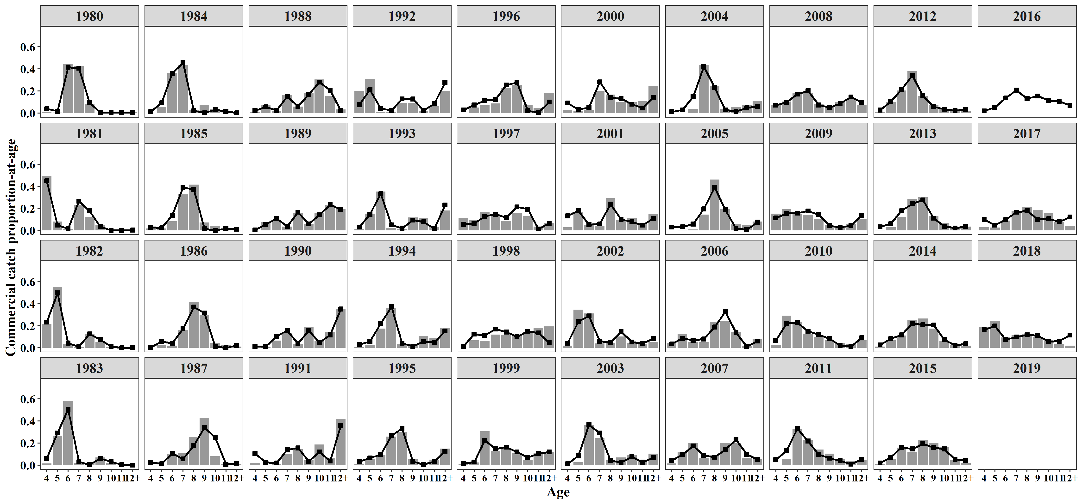
Year | Age | EST | OBS
1980 | 10 | 0.00570754 | 0.00939
1980 | 11 | 0.00570717 | 0.00535
1980 | 12+ | 0.00650153 | 0.01162
1980 | 4 | 0.0394537 | 0.00851
1980 | 5 | 0.017113 | 0.00576
1980 | 6 | 0.416714 | 0.4451
1980 | 7 | 0.406783 | 0.42655
1980 | 8 | 0.0963126 | 0.08402
1980 | 9 | 0.00570718 | 0.00369
1981 | 10 | 0.00159064 | 0.00172
1981 | 11 | 0.00166807 | 0.00345
1981 | 12+ | 0.00368591 | 0.00079
1981 | 4 | 0.449771 | 0.49296
1981 | 5 | 0.0483074 | 0.08019
1981 | 6 | 0.0165093 | 0.0156
1981 | 7 | 0.266194 | 0.23331
1981 | 8 | 0.177424 | 0.12408
1981 | 9 | 0.0348495 | 0.0479
1982 | 10 | 0.0123429 | 0.00862
1982 | 11 | 0.000559836 | 0.00196
1982 | 12+ | 0.00189124 | 0.00147
1982 | 4 | 0.232838 | 0.21655
1982 | 5 | 0.49697 | 0.55116
1982 | 6 | 0.0431718 | 0.03374
1982 | 7 | 0.0106786 | 0.00833
1982 | 8 | 0.126884 | 0.12433
1982 | 9 | 0.0746643 | 0.05385
1983 | 10 | 0.0310518 | 0.02296
1983 | 11 | 0.00501032 | 0
1983 | 12+ | 0.000756454 | 0
1983 | 4 | 0.0623847 | 0.01635
1983 | 5 | 0.292786 | 0.26905
1983 | 6 | 0.507712 | 0.58316
1983 | 7 | 0.0320452 | 0.01878
1983 | 8 | 0.00600746 | 0.01825
1983 | 9 | 0.0622456 | 0.07145
1984 | 10 | 0.0307474 | 0.03704
1984 | 11 | 0.0156562 | 0.00524
1984 | 12+ | 0.00288467 | 0
1984 | 4 | 0.0138993 | 0.00233
1984 | 5 | 0.0938255 | 0.05519
1984 | 6 | 0.360269 | 0.36501
1984 | 7 | 0.45778 | 0.43493
1984 | 8 | 0.0215146 | 0.02603
1984 | 9 | 0.00342363 | 0.07423
1985 | 10 | 0.00155949 | 0.04199
1985 | 11 | 0.0191048 | 0.01607
1985 | 12+ | 0.0116562 | 0.00551
1985 | 4 | 0.0281773 | 0.01799
1985 | 5 | 0.0245899 | 0.01771
1985 | 6 | 0.137039 | 0.08436
1985 | 7 | 0.389612 | 0.32775
1985 | 8 | 0.372903 | 0.41542
1985 | 9 | 0.0153578 | 0.07322
1986 | 10 | 0.0107592 | 0.04197
1986 | 11 | 0.000929 | 0.02519
1986 | 12+ | 0.0223972 | 0.01099
1986 | 4 | 0.00603863 | 0
1986 | 5 | 0.0583622 | 0.02284
1986 | 6 | 0.0420529 | 0.02064
1986 | 7 | 0.173372 | 0.16271
1986 | 8 | 0.370127 | 0.41657
1986 | 9 | 0.315962 | 0.2991
1987 | 10 | 0.250635 | 0.08235
1987 | 11 | 0.00841416 | 0.01242
1987 | 12+ | 0.0185285 | 0.00974
1987 | 4 | 0.024725 | 0.00235
1987 | 5 | 0.0133681 | 0.00103
1987 | 6 | 0.106998 | 0.10151
1987 | 7 | 0.0573617 | 0.10725
1987 | 8 | 0.178706 | 0.25663
1987 | 9 | 0.341264 | 0.42671
1988 | 10 | 0.280905 | 0.30551
1988 | 11 | 0.207358 | 0.15433
1988 | 12+ | 0.022153 | 0.03304
1988 | 4 | 0.0234127 | 0.00946
1988 | 5 | 0.0568175 | 0.07561
1988 | 6 | 0.0254428 | 0.01574
1988 | 7 | 0.151543 | 0.16535
1988 | 8 | 0.0613028 | 0.05827
1988 | 9 | 0.171064 | 0.1827
1989 | 10 | 0.142387 | 0.16243
1989 | 11 | 0.233478 | 0.23076
1989 | 12+ | 0.192504 | 0.19188
1989 | 4 | 0.00490673 | 0.0015
1989 | 5 | 0.0547824 | 0.07555
1989 | 6 | 0.110117 | 0.08775
1989 | 7 | 0.0367526 | 0.0361
1989 | 8 | 0.165291 | 0.15441
1989 | 9 | 0.0597813 | 0.05962
1990 | 10 | 0.0490549 | 0.06395
1990 | 11 | 0.117169 | 0.14377
1990 | 12+ | 0.351381 | 0.35295
1990 | 4 | 0.0122695 | 0.0008
1990 | 5 | 0.0113295 | 0.00529
1990 | 6 | 0.104727 | 0.06611
1990 | 7 | 0.156404 | 0.13857
1990 | 8 | 0.0393298 | 0.03766
1990 | 9 | 0.158335 | 0.19089
1991 | 10 | 0.121093 | 0.18763
1991 | 11 | 0.0374962 | 0.06863
1991 | 12+ | 0.358951 | 0.42094
1991 | 4 | 0.104794 | 0.02024
1991 | 5 | 0.0265086 | 0.00196
1991 | 6 | 0.02025 | 0.00836
1991 | 7 | 0.139069 | 0.10201
1991 | 8 | 0.156707 | 0.14502
1991 | 9 | 0.0351317 | 0.04521
1992 | 10 | 0.0243913 | 0.0219
1992 | 11 | 0.0848845 | 0.06056
1992 | 12+ | 0.278283 | 0.20175
1992 | 4 | 0.075898 | 0.19907
1992 | 5 | 0.210914 | 0.31139
1992 | 6 | 0.044092 | 0.01238
1992 | 7 | 0.0249618 | 0.01033
1992 | 8 | 0.128459 | 0.0914
1992 | 9 | 0.128117 | 0.09123
1993 | 10 | 0.0788 | 0.11157
1993 | 11 | 0.0153087 | 0.03157
1993 | 12+ | 0.230819 | 0.18072
1993 | 4 | 0.0315058 | 0.01159
1993 | 5 | 0.145563 | 0.1537
1993 | 6 | 0.332329 | 0.35298
1993 | 7 | 0.050997 | 0.02413
1993 | 8 | 0.0209901 | 0.0152
1993 | 9 | 0.0936879 | 0.11854
1994 | 10 | 0.0576931 | 0.1069
1994 | 11 | 0.0484746 | 0.0907
1994 | 12+ | 0.153479 | 0.178
1994 | 4 | 0.0323133 | 0.0045
1994 | 5 | 0.0579963 | 0.0284
1994 | 6 | 0.220728 | 0.1736
1994 | 7 | 0.371379 | 0.3602
1994 | 8 | 0.042594 | 0.034
1994 | 9 | 0.0153426 | 0.0236
1995 | 10 | 0.00807219 | 0.021
1995 | 11 | 0.034174 | 0.052
1995 | 12+ | 0.127522 | 0.1511
1995 | 4 | 0.0346309 | 0.012
1995 | 5 | 0.0655293 | 0.055
1995 | 6 | 0.0964603 | 0.092
1995 | 7 | 0.26798 | 0.26
1995 | 8 | 0.332378 | 0.301
1995 | 9 | 0.0332529 | 0.053
1996 | 10 | 0.0228052 | 0.076
1996 | 11 | 0.00429957 | 0.046
1996 | 12+ | 0.100436 | 0.184
1996 | 4 | 0.0294797 | 0.003
1996 | 5 | 0.0736304 | 0.05
1996 | 6 | 0.114416 | 0.07
1996 | 7 | 0.123561 | 0.088
1996 | 8 | 0.25488 | 0.227
1996 | 9 | 0.276493 | 0.255
1997 | 10 | 0.193108 | 0.13
1997 | 11 | 0.0132173 | 0.036
1997 | 12+ | 0.0648817 | 0.07
1997 | 4 | 0.0564735 | 0.1141
1997 | 5 | 0.0629733 | 0.091
1997 | 6 | 0.129293 | 0.167
1997 | 7 | 0.147527 | 0.148
1997 | 8 | 0.118393 | 0.086
1997 | 9 | 0.214133 | 0.16
1998 | 10 | 0.150842 | 0.146
1998 | 11 | 0.135655 | 0.179
1998 | 12+ | 0.0475547 | 0.194
1998 | 4 | 0.0135383 | 0.001
1998 | 5 | 0.124281 | 0.068
1998 | 6 | 0.113611 | 0.063
1998 | 7 | 0.170346 | 0.121
1998 | 8 | 0.143359 | 0.115
1998 | 9 | 0.100812 | 0.113
1999 | 10 | 0.070153 | 0.048
1999 | 11 | 0.106052 | 0.11
1999 | 12+ | 0.120142 | 0.121
1999 | 4 | 0.0155731 | 0.01
1999 | 5 | 0.0297975 | 0.025
1999 | 6 | 0.224389 | 0.307
1999 | 7 | 0.149758 | 0.129
1999 | 8 | 0.163808 | 0.144
1999 | 9 | 0.120328 | 0.107
2000 | 10 | 0.0804125 | 0.098
2000 | 11 | 0.0458297 | 0.107
2000 | 12+ | 0.143684 | 0.248
2000 | 4 | 0.092082 | 0.029
2000 | 5 | 0.0328467 | 0.023
2000 | 6 | 0.0515309 | 0.03
2000 | 7 | 0.283076 | 0.199
2000 | 8 | 0.139077 | 0.168
2000 | 9 | 0.131461 | 0.1
2001 | 10 | 0.0792334 | 0.116
2001 | 11 | 0.0487809 | 0.066
2001 | 12+ | 0.109494 | 0.15
2001 | 4 | 0.132327 | 0.029
2001 | 5 | 0.178506 | 0.164
2001 | 6 | 0.0521895 | 0.05
2001 | 7 | 0.0596689 | 0.04
2001 | 8 | 0.239043 | 0.292
2001 | 9 | 0.100757 | 0.094
2002 | 10 | 0.0530585 | 0.044
2002 | 11 | 0.0401749 | 0.035
2002 | 12+ | 0.0840305 | 0.056
2002 | 4 | 0.0416875 | 0.02
2002 | 5 | 0.237626 | 0.346
2002 | 6 | 0.289771 | 0.312
2002 | 7 | 0.0607139 | 0.04
2002 | 8 | 0.0473166 | 0.043
2002 | 9 | 0.145621 | 0.104
2003 | 10 | 0.0777469 | 0.092
2003 | 11 | 0.0279673 | 0.05
2003 | 12+ | 0.0681152 | 0.106
2003 | 4 | 0.0126186 | 0.001
2003 | 5 | 0.084772 | 0.027
2003 | 6 | 0.366974 | 0.365
2003 | 7 | 0.291545 | 0.245
2003 | 8 | 0.0427566 | 0.044
2003 | 9 | 0.0275052 | 0.07
2004 | 10 | 0.0154764 | 0.054
2004 | 11 | 0.047514 | 0.071
2004 | 12+ | 0.0598247 | 0.109
2004 | 4 | 0.0124784 | 0.001
2004 | 5 | 0.0294544 | 0.003
2004 | 6 | 0.150204 | 0.038
2004 | 7 | 0.422672 | 0.437
2004 | 8 | 0.233752 | 0.246
2004 | 9 | 0.0286241 | 0.036
2005 | 10 | 0.0190972 | 0.05531
2005 | 11 | 0.00832582 | 0.04605
2005 | 12+ | 0.0756132 | 0.0812
2005 | 4 | 0.0313662 | 0.00136
2005 | 5 | 0.0326813 | 0.00409
2005 | 6 | 0.0586356 | 0.01008
2005 | 7 | 0.195511 | 0.14332
2005 | 8 | 0.391648 | 0.46185
2005 | 9 | 0.187121 | 0.19673
2006 | 10 | 0.137983 | 0.14365
2006 | 11 | 0.0127523 | 0.01988
2006 | 12+ | 0.0619827 | 0.08424
2006 | 4 | 0.0362655 | 0.04665
2006 | 5 | 0.0869546 | 0.12457
2006 | 6 | 0.0687389 | 0.05195
2006 | 7 | 0.0803095 | 0.05062
2006 | 8 | 0.188982 | 0.23271
2006 | 9 | 0.326031 | 0.24516
2007 | 10 | 0.231539 | 0.19872
2007 | 11 | 0.097715 | 0.06099
2007 | 12+ | 0.0529759 | 0.05411
2007 | 4 | 0.0416369 | 0.01574
2007 | 5 | 0.0967501 | 0.11559
2007 | 6 | 0.174613 | 0.19774
2007 | 7 | 0.0897269 | 0.06247
2007 | 8 | 0.073023 | 0.09247
2007 | 9 | 0.14202 | 0.20216
2008 | 10 | 0.0872985 | 0.10312
2008 | 11 | 0.145566 | 0.12743
2008 | 12+ | 0.097526 | 0.07721
2008 | 4 | 0.0727066 | 0.07364
2008 | 5 | 0.0978413 | 0.10568
2008 | 6 | 0.172387 | 0.18512
2008 | 7 | 0.202078 | 0.18028
2008 | 8 | 0.0735062 | 0.08364
2008 | 9 | 0.0510904 | 0.06244
2009 | 10 | 0.0261261 | 0.03942
2009 | 11 | 0.0456855 | 0.05643
2009 | 12+ | 0.135206 | 0.10041
2009 | 4 | 0.114177 | 0.15302
2009 | 5 | 0.15515 | 0.19276
2009 | 6 | 0.157592 | 0.15252
2009 | 7 | 0.177408 | 0.14288
2009 | 8 | 0.144481 | 0.10778
2009 | 9 | 0.0441739 | 0.05102
2010 | 10 | 0.02196 | 0.04555
2010 | 11 | 0.0121537 | 0.0327
2010 | 12+ | 0.0925813 | 0.06756
2010 | 4 | 0.0680562 | 0.02741
2010 | 5 | 0.222523 | 0.2926
2010 | 6 | 0.229095 | 0.23837
2010 | 7 | 0.150915 | 0.12809
2010 | 8 | 0.119281 | 0.10011
2010 | 9 | 0.0834349 | 0.0676
2011 | 10 | 0.0409699 | 0.05265
2011 | 11 | 0.00958963 | 0.03962
2011 | 12+ | 0.0523716 | 0.04771
2011 | 4 | 0.0495893 | 0.00133
2011 | 5 | 0.13456 | 0.05694
2011 | 6 | 0.331952 | 0.32392
2011 | 7 | 0.219297 | 0.23158
2011 | 8 | 0.0971373 | 0.1412
2011 | 9 | 0.0645324 | 0.10504
2012 | 10 | 0.0359194 | 0.03831
2012 | 11 | 0.0227483 | 0.01987
2012 | 12+ | 0.034549 | 0.02065
2012 | 4 | 0.0274335 | 0.01022
2012 | 5 | 0.103869 | 0.10275
2012 | 6 | 0.213617 | 0.20557
2012 | 7 | 0.342348 | 0.37861
2012 | 8 | 0.159395 | 0.15311
2012 | 9 | 0.06012 | 0.07043
2013 | 10 | 0.0372812 | 0.06552
2013 | 11 | 0.0221569 | 0.02893
2013 | 12+ | 0.0359519 | 0.03578
2013 | 4 | 0.0336915 | 0.00268
2013 | 5 | 0.0621881 | 0.02991
2013 | 6 | 0.179161 | 0.12162
2013 | 7 | 0.241418 | 0.28362
2013 | 8 | 0.276419 | 0.30145
2013 | 9 | 0.111732 | 0.13047
2014 | 10 | 0.0746732 | 0.06416
2014 | 11 | 0.0230111 | 0.0286
2014 | 12+ | 0.0375576 | 0.02076
2014 | 4 | 0.0274123 | 0.01071
2014 | 5 | 0.0838209 | 0.06764
2014 | 6 | 0.117418 | 0.11257
2014 | 7 | 0.220268 | 0.25541
2014 | 8 | 0.208381 | 0.26611
2014 | 9 | 0.207458 | 0.17402
2015 | 10 | 0.147543 | 0.16195
2015 | 11 | 0.0530063 | 0.04669
2015 | 12+ | 0.043468 | 0.02193
2015 | 4 | 0.0207683 | 0.01176
2015 | 5 | 0.0703428 | 0.05249
2015 | 6 | 0.162975 | 0.15952
2015 | 7 | 0.147533 | 0.11734
2015 | 8 | 0.195424 | 0.22619
2015 | 9 | 0.158939 | 0.20211
2016 | 10 | 0.114918
2016 | 11 | 0.106761
2016 | 12+ | 0.0700182
2016 | 4 | 0.0203532
2016 | 5 | 0.0537876
2016 | 6 | 0.138061
2016 | 7 | 0.207824
2016 | 8 | 0.133394
2016 | 9 | 0.154883
2017 | 10 | 0.107293 | 0.1556
2017 | 11 | 0.0796088 | 0.07893
2017 | 12+ | 0.122496 | 0.04226
2017 | 4 | 0.0982463 | 0.02819
2017 | 5 | 0.0490653 | 0.02755
2017 | 6 | 0.0985609 | 0.08891
2017 | 7 | 0.165534 | 0.17706
2017 | 8 | 0.178289 | 0.21552
2017 | 9 | 0.100906 | 0.18599
2018 | 10 | 0.0571519 | 0.07185
2018 | 11 | 0.0609605 | 0.03714
2018 | 12+ | 0.11572 | 0.01984
2018 | 4 | 0.163396 | 0.18904
2018 | 5 | 0.199139 | 0.24579
2018 | 6 | 0.0754793 | 0.09467
2018 | 7 | 0.0988117 | 0.11381
2018 | 8 | 0.117995 | 0.12754
2018 | 9 | 0.111346 | 0.10032
2019 | 4

Fig9
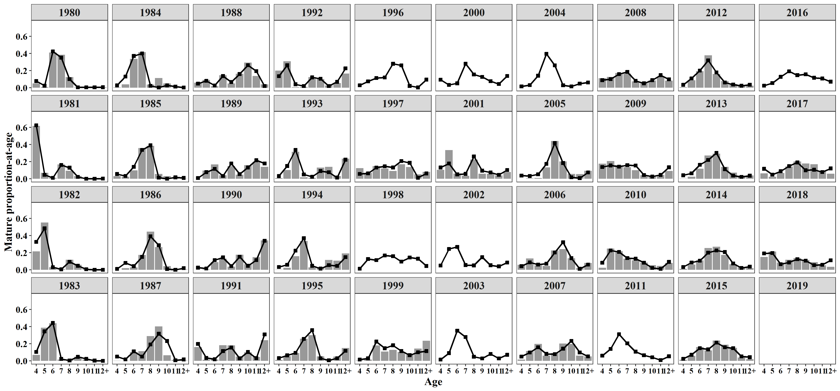
Year | Age | EST | OBS
1980 | 10 | 0.00514313 | 0.0033
1980 | 11 | 0.0051428 | 0.00439
1980 | 12+ | 0.00585861 | 0.00738
1980 | 4 | 0.0781534 | 0.05064
1980 | 5 | 0.0235427 | 0.00867
1980 | 6 | 0.424374 | 0.4107
1980 | 7 | 0.351889 | 0.38491
1980 | 8 | 0.100754 | 0.12455
1980 | 9 | 0.00514281 | 0.00546
1981 | 10 | 0.00100392 | 0.00055
1981 | 11 | 0.00105278 | 0.00243
1981 | 12+ | 0.00232632 | 0.00019
1981 | 4 | 0.62402 | 0.61856
1981 | 5 | 0.0465468 | 0.07119
1981 | 6 | 0.0117757 | 0.01162
1981 | 7 | 0.161282 | 0.16727
1981 | 8 | 0.129998 | 0.09441
1981 | 9 | 0.0219949 | 0.03378
1982 | 10 | 0.00788001 | 0.00955
1982 | 11 | 0.000357411 | 0.00198
1982 | 12+ | 0.00120741 | 0.00153
1982 | 4 | 0.32677 | 0.21626
1982 | 5 | 0.484384 | 0.55225
1982 | 6 | 0.0311487 | 0.03052
1982 | 7 | 0.00654463 | 0.0088
1982 | 8 | 0.0940401 | 0.11906
1982 | 9 | 0.0476673 | 0.06005
1983 | 10 | 0.0239834 | 0.01563
1983 | 11 | 0.00386981 | 0.00253
1983 | 12+ | 0.00058426 | 0.00094
1983 | 4 | 0.105922 | 0.07018
1983 | 5 | 0.345244 | 0.38823
1983 | 6 | 0.443173 | 0.44052
1983 | 7 | 0.0237602 | 0.01587
1983 | 8 | 0.00538659 | 0.01657
1983 | 9 | 0.0480765 | 0.04953
1984 | 10 | 0.0280006 | 0.0515
1984 | 11 | 0.0142576 | 0.00204
1984 | 12+ | 0.00262696 | 0.00002
1984 | 4 | 0.0278249 | 0.00522
1984 | 5 | 0.130446 | 0.0387
1984 | 6 | 0.37078 | 0.33761
1984 | 7 | 0.400201 | 0.41499
1984 | 8 | 0.0227452 | 0.03735
1984 | 9 | 0.00311777 | 0.11258
1985 | 10 | 0.00140626 | 0.03214
1985 | 11 | 0.0172276 | 0.01158
1985 | 12+ | 0.0105109 | 0.00188
1985 | 4 | 0.0558552 | 0.03056
1985 | 5 | 0.0338526 | 0.02389
1985 | 6 | 0.139656 | 0.09772
1985 | 7 | 0.337271 | 0.35921
1985 | 8 | 0.390371 | 0.38539
1985 | 9 | 0.0138488 | 0.05762
1986 | 10 | 0.0098162 | 0.04515
1986 | 11 | 0.000847576 | 0.01303
1986 | 12+ | 0.0204342 | 0.005
1986 | 4 | 0.0121111 | 0
1986 | 5 | 0.0812917 | 0.02007
1986 | 6 | 0.0433602 | 0.02978
1986 | 7 | 0.151847 | 0.1745
1986 | 8 | 0.392023 | 0.44612
1986 | 9 | 0.288269 | 0.26634
1987 | 10 | 0.232704 | 0.06676
1987 | 11 | 0.0078122 | 0.01147
1987 | 12+ | 0.017203 | 0.0058
1987 | 4 | 0.050464 | 0.00224
1987 | 5 | 0.0189489 | 0.00411
1987 | 6 | 0.112272 | 0.10363
1987 | 7 | 0.0511267 | 0.11413
1987 | 8 | 0.192619 | 0.28996
1987 | 9 | 0.31685 | 0.40189
1988 | 10 | 0.263738 | 0.29443
1988 | 11 | 0.194686 | 0.13703
1988 | 12+ | 0.0207992 | 0.03958
1988 | 4 | 0.0483222 | 0.05897
1988 | 5 | 0.0814418 | 0.09228
1988 | 6 | 0.0269967 | 0.01728
1988 | 7 | 0.136588 | 0.14664
1988 | 8 | 0.0668179 | 0.05055
1988 | 9 | 0.16061 | 0.16324
1989 | 10 | 0.132553 | 0.16013
1989 | 11 | 0.217352 | 0.19524
1989 | 12+ | 0.179209 | 0.1399
1989 | 4 | 0.0100414 | 0.00091
1989 | 5 | 0.0778595 | 0.09622
1989 | 6 | 0.115852 | 0.16884
1989 | 7 | 0.0328451 | 0.04128
1989 | 8 | 0.178636 | 0.1482
1989 | 9 | 0.0556524 | 0.04926
1990 | 10 | 0.047425 | 0.06511
1990 | 11 | 0.113276 | 0.14819
1990 | 12+ | 0.339706 | 0.34462
1990 | 4 | 0.0260756 | 0.00189
1990 | 5 | 0.016722 | 0.00532
1990 | 6 | 0.114424 | 0.08946
1990 | 7 | 0.145156 | 0.13213
1990 | 8 | 0.0441414 | 0.03683
1990 | 9 | 0.153074 | 0.17645
1991 | 10 | 0.104227 | 0.102
1991 | 11 | 0.0322737 | 0.047
1991 | 12+ | 0.308956 | 0.243
1991 | 4 | 0.19828 | 0.161
1991 | 5 | 0.0348337 | 0.015
1991 | 6 | 0.0196979 | 0.016
1991 | 7 | 0.114909 | 0.184
1991 | 8 | 0.156584 | 0.182
1991 | 9 | 0.0302385 | 0.05
1992 | 10 | 0.0198717 | 0.026
1992 | 11 | 0.0691556 | 0.054
1992 | 12+ | 0.226718 | 0.166
1992 | 4 | 0.135929 | 0.201
1992 | 5 | 0.262335 | 0.31
1992 | 6 | 0.0405966 | 0.008
1992 | 7 | 0.0195226 | 0.009
1992 | 8 | 0.121496 | 0.124
1992 | 9 | 0.104377 | 0.102
1993 | 10 | 0.076354 | 0.14
1993 | 11 | 0.0148335 | 0.033
1993 | 12+ | 0.223655 | 0.236
1993 | 4 | 0.0322839 | 0.01
1993 | 5 | 0.149486 | 0.102
1993 | 6 | 0.338082 | 0.316
1993 | 7 | 0.050915 | 0.018
1993 | 8 | 0.0236113 | 0.012
1993 | 9 | 0.0907798 | 0.132
1994 | 10 | 0.0557702 | 0.116
1994 | 11 | 0.0468589 | 0.107
1994 | 12+ | 0.148363 | 0.193
1994 | 4 | 0.0330331 | 0.003
1994 | 5 | 0.0594189 | 0.025
1994 | 6 | 0.224019 | 0.159
1994 | 7 | 0.369906 | 0.338
1994 | 8 | 0.0477998 | 0.029
1994 | 9 | 0.0148313 | 0.03
1995 | 10 | 0.00752756 | 0.021
1995 | 11 | 0.0318683 | 0.052
1995 | 12+ | 0.118918 | 0.1511
1995 | 4 | 0.034152 | 0.012
1995 | 5 | 0.0647657 | 0.055
1995 | 6 | 0.0944409 | 0.092
1995 | 7 | 0.25749 | 0.26
1995 | 8 | 0.359827 | 0.301
1995 | 9 | 0.0310094 | 0.053
1996 | 10 | 0.021584
1996 | 11 | 0.00406933
1996 | 12+ | 0.0950573
1996 | 4 | 0.029506
1996 | 5 | 0.0738587
1996 | 6 | 0.113693
1996 | 7 | 0.120496
1996 | 8 | 0.280048
1996 | 9 | 0.261687
1997 | 10 | 0.186218 | 0.138
1997 | 11 | 0.0127457 | 0.052
1997 | 12+ | 0.0625666 | 0.082
1997 | 4 | 0.057591 | 0.1251
1997 | 5 | 0.0643611 | 0.07
1997 | 6 | 0.130901 | 0.149
1997 | 7 | 0.146584 | 0.12
1997 | 8 | 0.13254 | 0.091
1997 | 9 | 0.206492 | 0.171
1998 | 10 | 0.144744
1998 | 11 | 0.130171
1998 | 12+ | 0.0456323
1998 | 4 | 0.0137383
1998 | 5 | 0.126395
1998 | 6 | 0.114459
1998 | 7 | 0.168425
1998 | 8 | 0.159699
1998 | 9 | 0.0967367
1999 | 10 | 0.067146 | 0.071
1999 | 11 | 0.101506 | 0.145
1999 | 12+ | 0.114992 | 0.235
1999 | 4 | 0.0157629 | 0.005
1999 | 5 | 0.0302273 | 0.017
1999 | 6 | 0.225488 | 0.182
1999 | 7 | 0.147692 | 0.109
1999 | 8 | 0.182015 | 0.129
1999 | 9 | 0.11517 | 0.105
2000 | 10 | 0.0772594
2000 | 11 | 0.0440327
2000 | 12+ | 0.13805
2000 | 4 | 0.0935603
2000 | 5 | 0.0334477
2000 | 6 | 0.0519809
2000 | 7 | 0.280237
2000 | 8 | 0.155125
2000 | 9 | 0.126306
2001 | 10 | 0.0746655 | 0.059
2001 | 11 | 0.0459686 | 0.039
2001 | 12+ | 0.103182 | 0.08
2001 | 4 | 0.131871 | 0.105
2001 | 5 | 0.178283 | 0.336
2001 | 6 | 0.0516349 | 0.062
2001 | 7 | 0.0579369 | 0.036
2001 | 8 | 0.26151 | 0.225
2001 | 9 | 0.094948 | 0.059
2002 | 10 | 0.0538708
2002 | 11 | 0.04079
2002 | 12+ | 0.0853171
2002 | 4 | 0.0511913
2002 | 5 | 0.244876
2002 | 6 | 0.267999
2002 | 7 | 0.0559933
2002 | 8 | 0.052112
2002 | 9 | 0.147851
2003 | 10 | 0.0820009
2003 | 11 | 0.0294976
2003 | 12+ | 0.0718422
2003 | 4 | 0.0160967
2003 | 5 | 0.0907487
2003 | 6 | 0.352574
2003 | 7 | 0.279312
2003 | 8 | 0.0489175
2003 | 9 | 0.0290101
2004 | 10 | 0.0159429
2004 | 11 | 0.0489461
2004 | 12+ | 0.0616278
2004 | 4 | 0.0155471
2004 | 5 | 0.0307963
2004 | 6 | 0.140948
2004 | 7 | 0.395503
2004 | 8 | 0.261202
2004 | 9 | 0.0294868
2005 | 10 | 0.018776 | 0.05751
2005 | 11 | 0.00818581 | 0.05427
2005 | 12+ | 0.0743417 | 0.09396
2005 | 4 | 0.0372982 | 0.00162
2005 | 5 | 0.0326127 | 0.00527
2005 | 6 | 0.0525141 | 0.00972
2005 | 7 | 0.174605 | 0.13244
2005 | 8 | 0.417692 | 0.44269
2005 | 9 | 0.183975 | 0.20251
2006 | 10 | 0.136424 | 0.13483
2006 | 11 | 0.0126082 | 0.02112
2006 | 12+ | 0.0612824 | 0.08045
2006 | 4 | 0.0433661 | 0.0591
2006 | 5 | 0.087259 | 0.13236
2006 | 6 | 0.0619081 | 0.05303
2006 | 7 | 0.0721244 | 0.04719
2006 | 8 | 0.20268 | 0.22787
2006 | 9 | 0.322348 | 0.24292
2007 | 10 | 0.233271 | 0.19872
2007 | 11 | 0.0984456 | 0.06099
2007 | 12+ | 0.053372 | 0.05411
2007 | 4 | 0.0507347 | 0.01574
2007 | 5 | 0.0989325 | 0.11559
2007 | 6 | 0.160248 | 0.19774
2007 | 7 | 0.0821121 | 0.06247
2007 | 8 | 0.0798032 | 0.09247
2007 | 9 | 0.143082 | 0.20216
2008 | 10 | 0.0882655 | 0.08625
2008 | 11 | 0.147178 | 0.1273
2008 | 12+ | 0.0986063 | 0.0824
2008 | 4 | 0.0889098 | 0.11181
2008 | 5 | 0.100406 | 0.12569
2008 | 6 | 0.15877 | 0.17187
2008 | 7 | 0.185589 | 0.16475
2008 | 8 | 0.0806182 | 0.07444
2008 | 9 | 0.0516564 | 0.05341
2009 | 10 | 0.025914 | 0.03762
2009 | 11 | 0.0453147 | 0.04708
2009 | 12+ | 0.134109 | 0.09181
2009 | 4 | 0.136972 | 0.17639
2009 | 5 | 0.156195 | 0.20814
2009 | 6 | 0.142388 | 0.15944
2009 | 7 | 0.159839 | 0.13592
2009 | 8 | 0.155453 | 0.1006
2009 | 9 | 0.0438154 | 0.04299
2010 | 10 | 0.0221047 | 0.05542
2010 | 11 | 0.0122338 | 0.04559
2010 | 12+ | 0.0931914 | 0.08065
2010 | 4 | 0.0828537 | 0.02504
2010 | 5 | 0.227343 | 0.24759
2010 | 6 | 0.210062 | 0.2185
2010 | 7 | 0.137986 | 0.13078
2010 | 8 | 0.130241 | 0.11098
2010 | 9 | 0.0839848 | 0.08546
2011 | 10 | 0.0421951
2011 | 11 | 0.00987642
2011 | 12+ | 0.0539379
2011 | 4 | 0.06177
2011 | 5 | 0.140659
2011 | 6 | 0.311425
2011 | 7 | 0.205155
2011 | 8 | 0.10852
2011 | 9 | 0.0664623
2012 | 10 | 0.0370151 | 0.04464
2012 | 11 | 0.0234422 | 0.02313
2012 | 12+ | 0.0356028 | 0.02424
2012 | 4 | 0.0341918 | 0.00638
2012 | 5 | 0.108639 | 0.08815
2012 | 6 | 0.200524 | 0.19335
2012 | 7 | 0.320455 | 0.37846
2012 | 8 | 0.178176 | 0.16241
2012 | 9 | 0.0619538 | 0.07878
2013 | 10 | 0.0375318 | 0.07229
2013 | 11 | 0.0223058 | 0.03836
2013 | 12+ | 0.0361935 | 0.03946
2013 | 4 | 0.0410224 | 0.00199
2013 | 5 | 0.0635431 | 0.02543
2013 | 6 | 0.164298 | 0.11724
2013 | 7 | 0.220764 | 0.27221
2013 | 8 | 0.301858 | 0.29319
2013 | 9 | 0.112483 | 0.13985
2014 | 10 | 0.0751235 | 0.0665
2014 | 11 | 0.0231498 | 0.03005
2014 | 12+ | 0.037784 | 0.02109
2014 | 4 | 0.033354 | 0.01116
2014 | 5 | 0.0855886 | 0.06189
2014 | 6 | 0.107603 | 0.11094
2014 | 7 | 0.201286 | 0.25409
2014 | 8 | 0.227402 | 0.2701
2014 | 9 | 0.208709 | 0.17419
2015 | 10 | 0.148446 | 0.15325
2015 | 11 | 0.0533304 | 0.04073
2015 | 12+ | 0.0437337 | 0.01982
2015 | 4 | 0.025272 | 0.01389
2015 | 5 | 0.0718323 | 0.05883
2015 | 6 | 0.149365 | 0.16198
2015 | 7 | 0.13483 | 0.12231
2015 | 8 | 0.21328 | 0.23865
2015 | 9 | 0.159911 | 0.19055
2016 | 10 | 0.116665
2016 | 11 | 0.108385
2016 | 12+ | 0.0710826
2016 | 4 | 0.0249906
2016 | 5 | 0.0554227
2016 | 6 | 0.127674
2016 | 7 | 0.191645
2016 | 8 | 0.146898
2016 | 9 | 0.157238
2017 | 10 | 0.105971 | 0.17128
2017 | 11 | 0.0786284 | 0.09149
2017 | 12+ | 0.120987 | 0.05869
2017 | 4 | 0.117362 | 0.06276
2017 | 5 | 0.0491864 | 0.02384
2017 | 6 | 0.0886754 | 0.06706
2017 | 7 | 0.14851 | 0.14456
2017 | 8 | 0.191016 | 0.20197
2017 | 9 | 0.0996637 | 0.17836
2018 | 10 | 0.0554107 | 0.08923
2018 | 11 | 0.0591032 | 0.05219
2018 | 12+ | 0.112194 | 0.03585
2018 | 4 | 0.191601 | 0.15083
2018 | 5 | 0.195962 | 0.21296
2018 | 6 | 0.0666608 | 0.08607
2018 | 7 | 0.0870204 | 0.11776
2018 | 8 | 0.124094 | 0.13869
2018 | 9 | 0.107954 | 0.11643
2019 | 4

Fig10
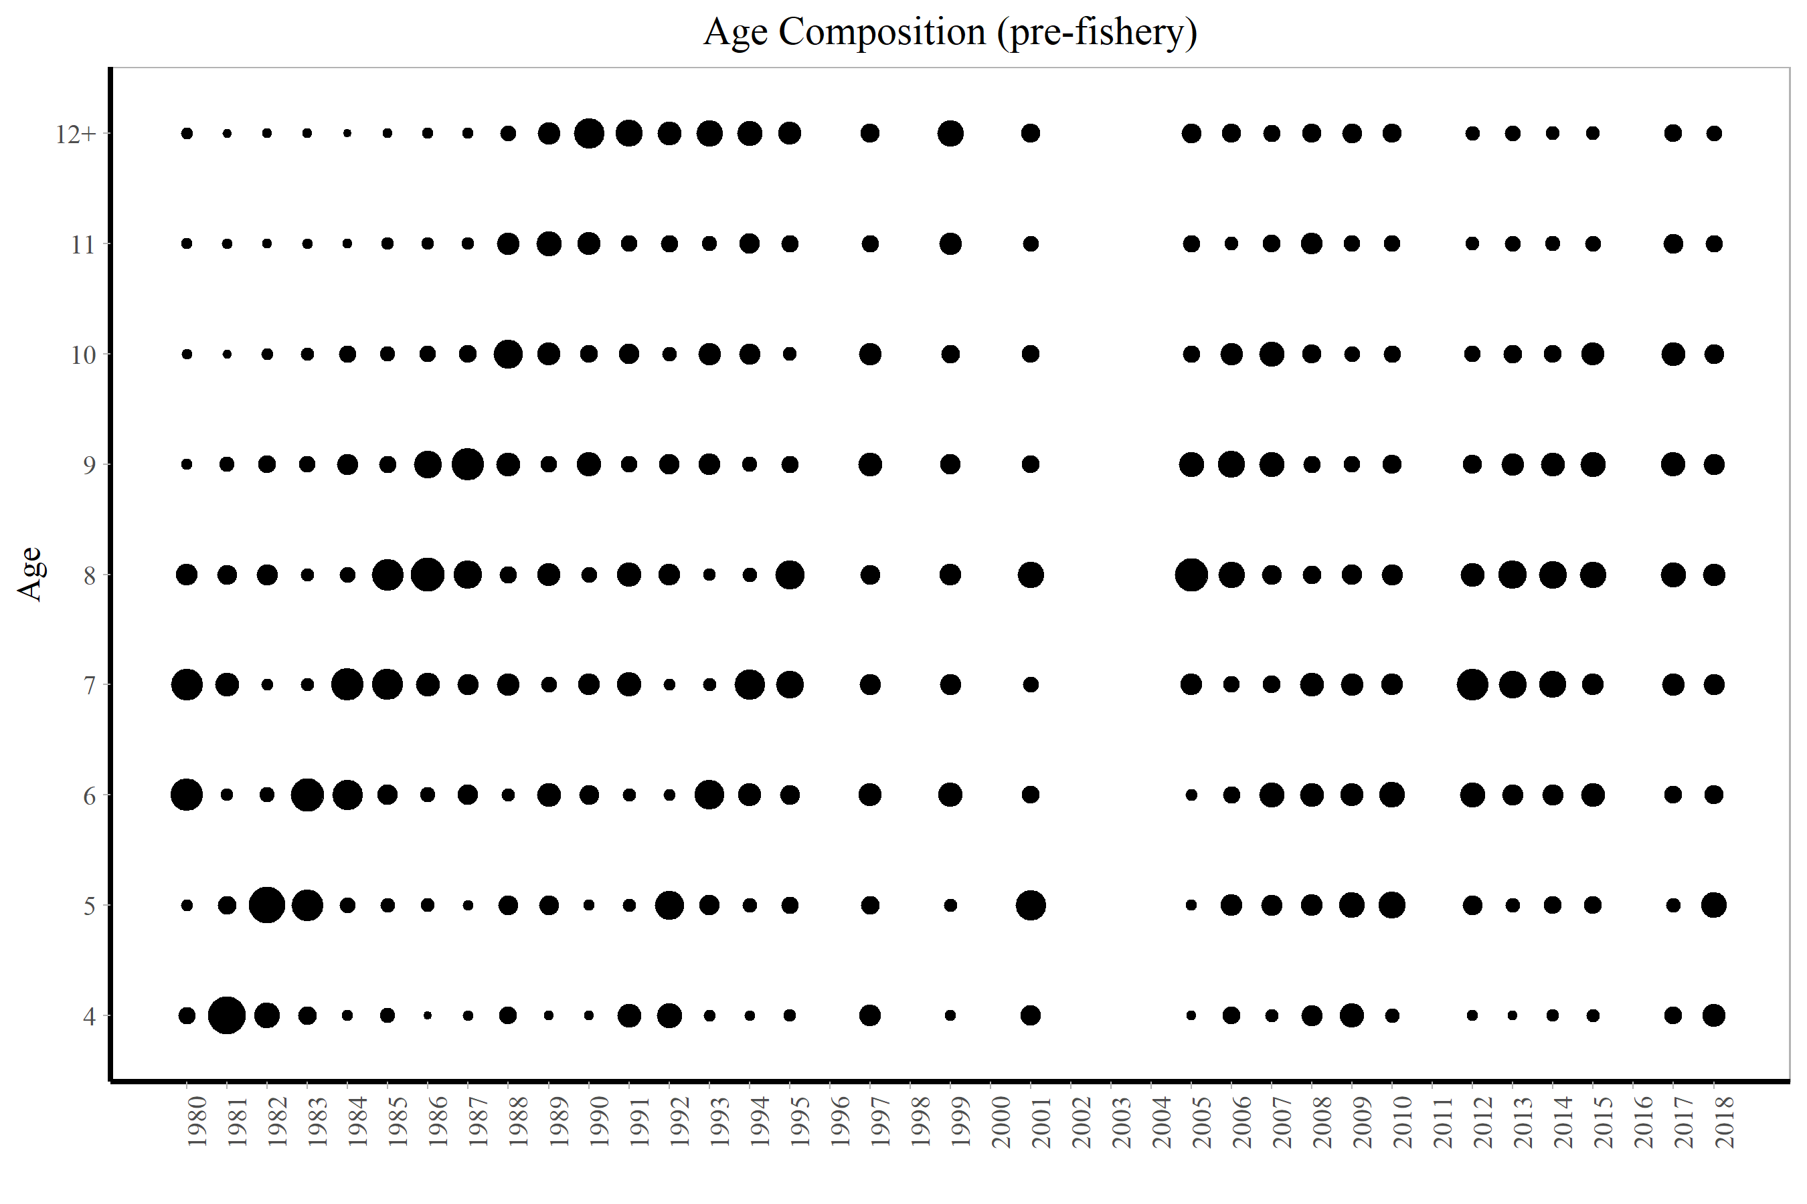

Fig11
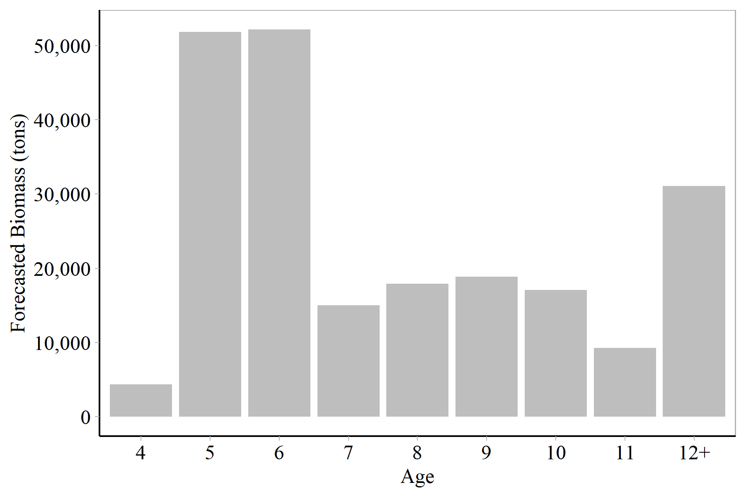
Age2 | for_mat_baa_st
4 | 4370.1
5 | 51854.4
6 | 52155
7 | 14991
8 | 17922.6
9 | 18848.9
10 | 17094.3
11 | 9243.14
12+ | 31068.9

Fig12
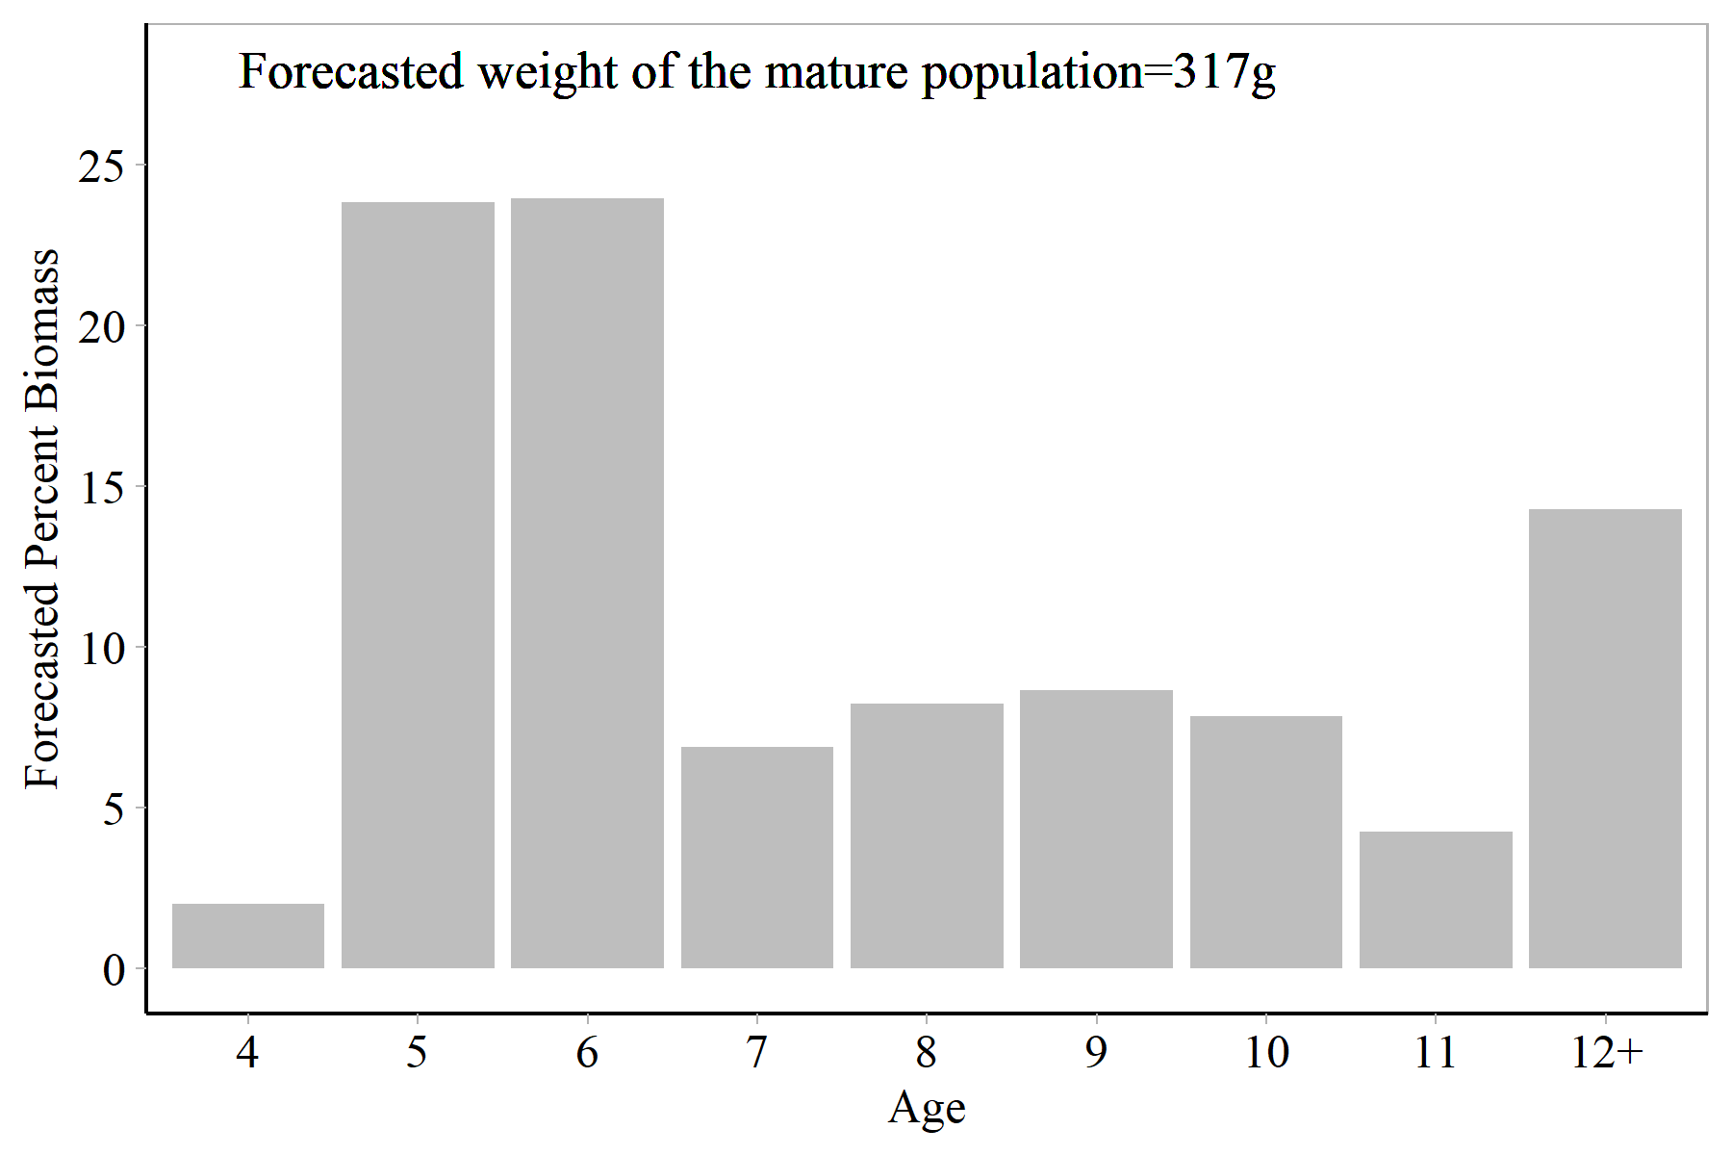
Age2 | for_mat_baa_st | for_mat_b_prop
4 | 4370.1 | 0.020088
5 | 51854.4 | 0.238358
6 | 52155 | 0.23974
7 | 14991 | 0.0689087
8 | 17922.6 | 0.0823843
9 | 18848.9 | 0.0866423
10 | 17094.3 | 0.0785769
11 | 9243.14 | 0.0424878
12+ | 31068.9 | 0.142814

Fig13
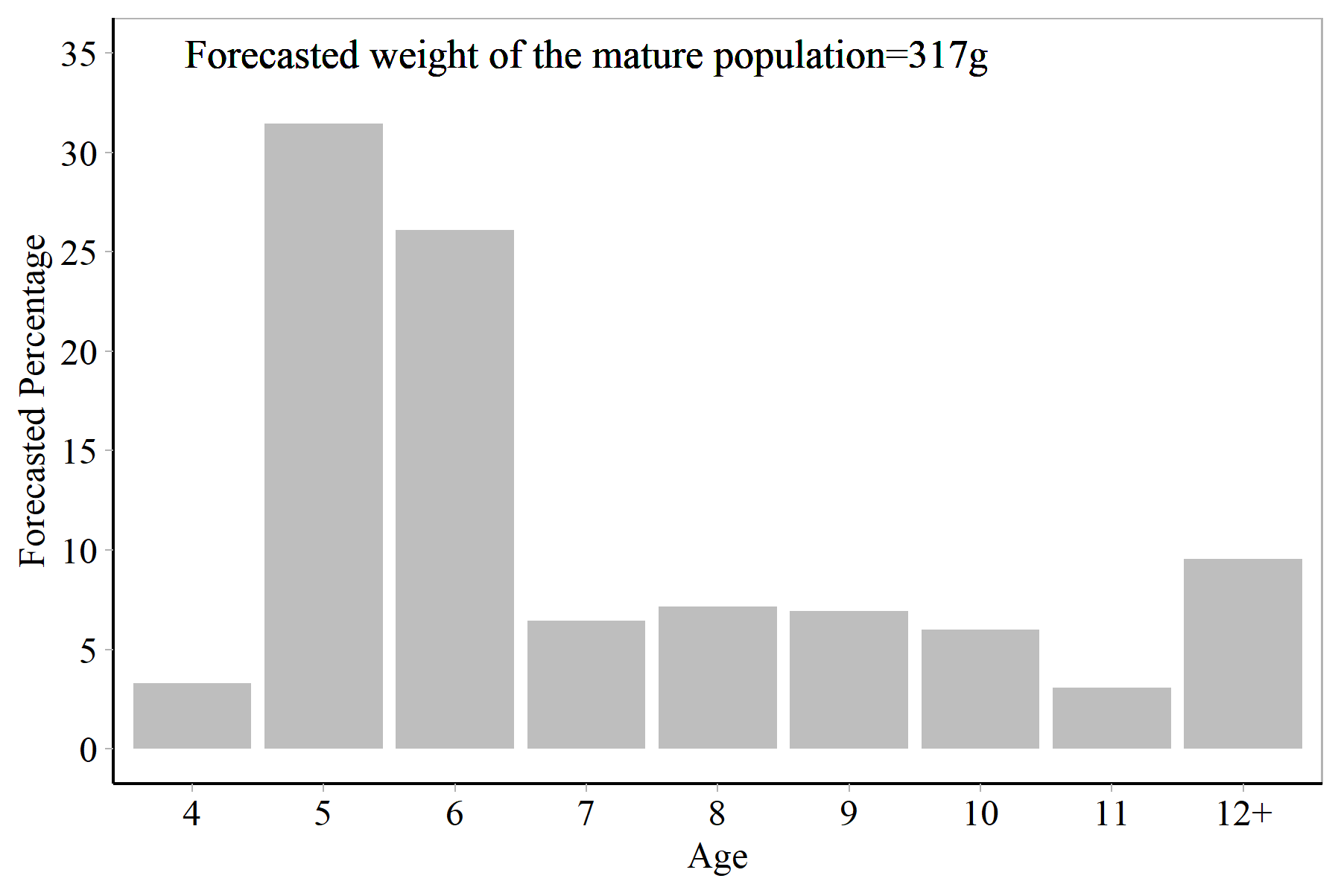
Age2 | for_mat_prop
4 | 0.0331017
5 | 0.314333
6 | 0.261016
7 | 0.0643085
8 | 0.071516
9 | 0.0694251
10 | 0.0600456
11 | 0.030769
12+ | 0.0954855

Fig14
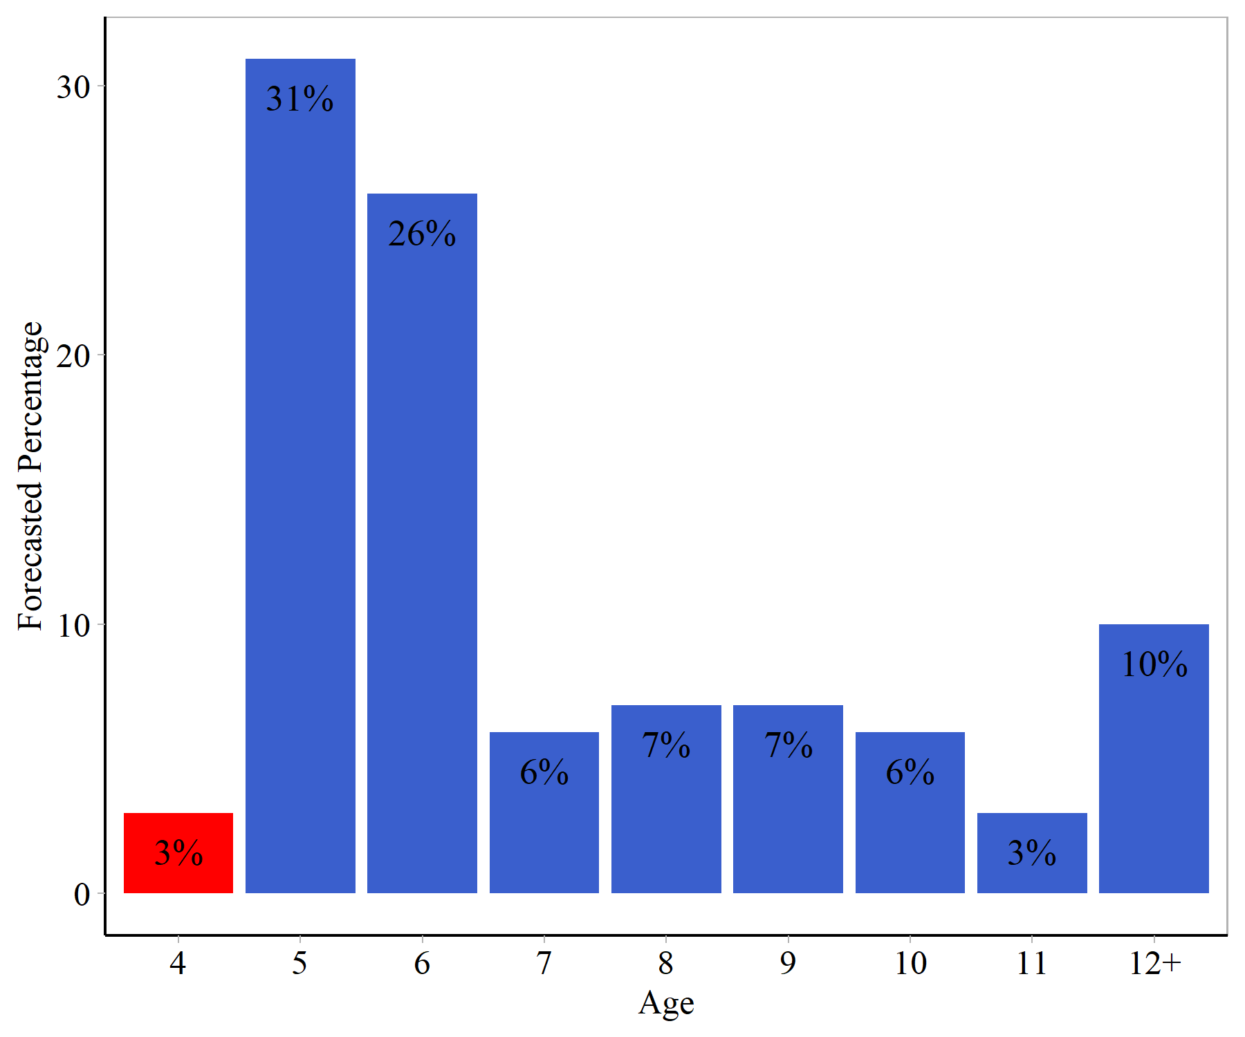

Fig15
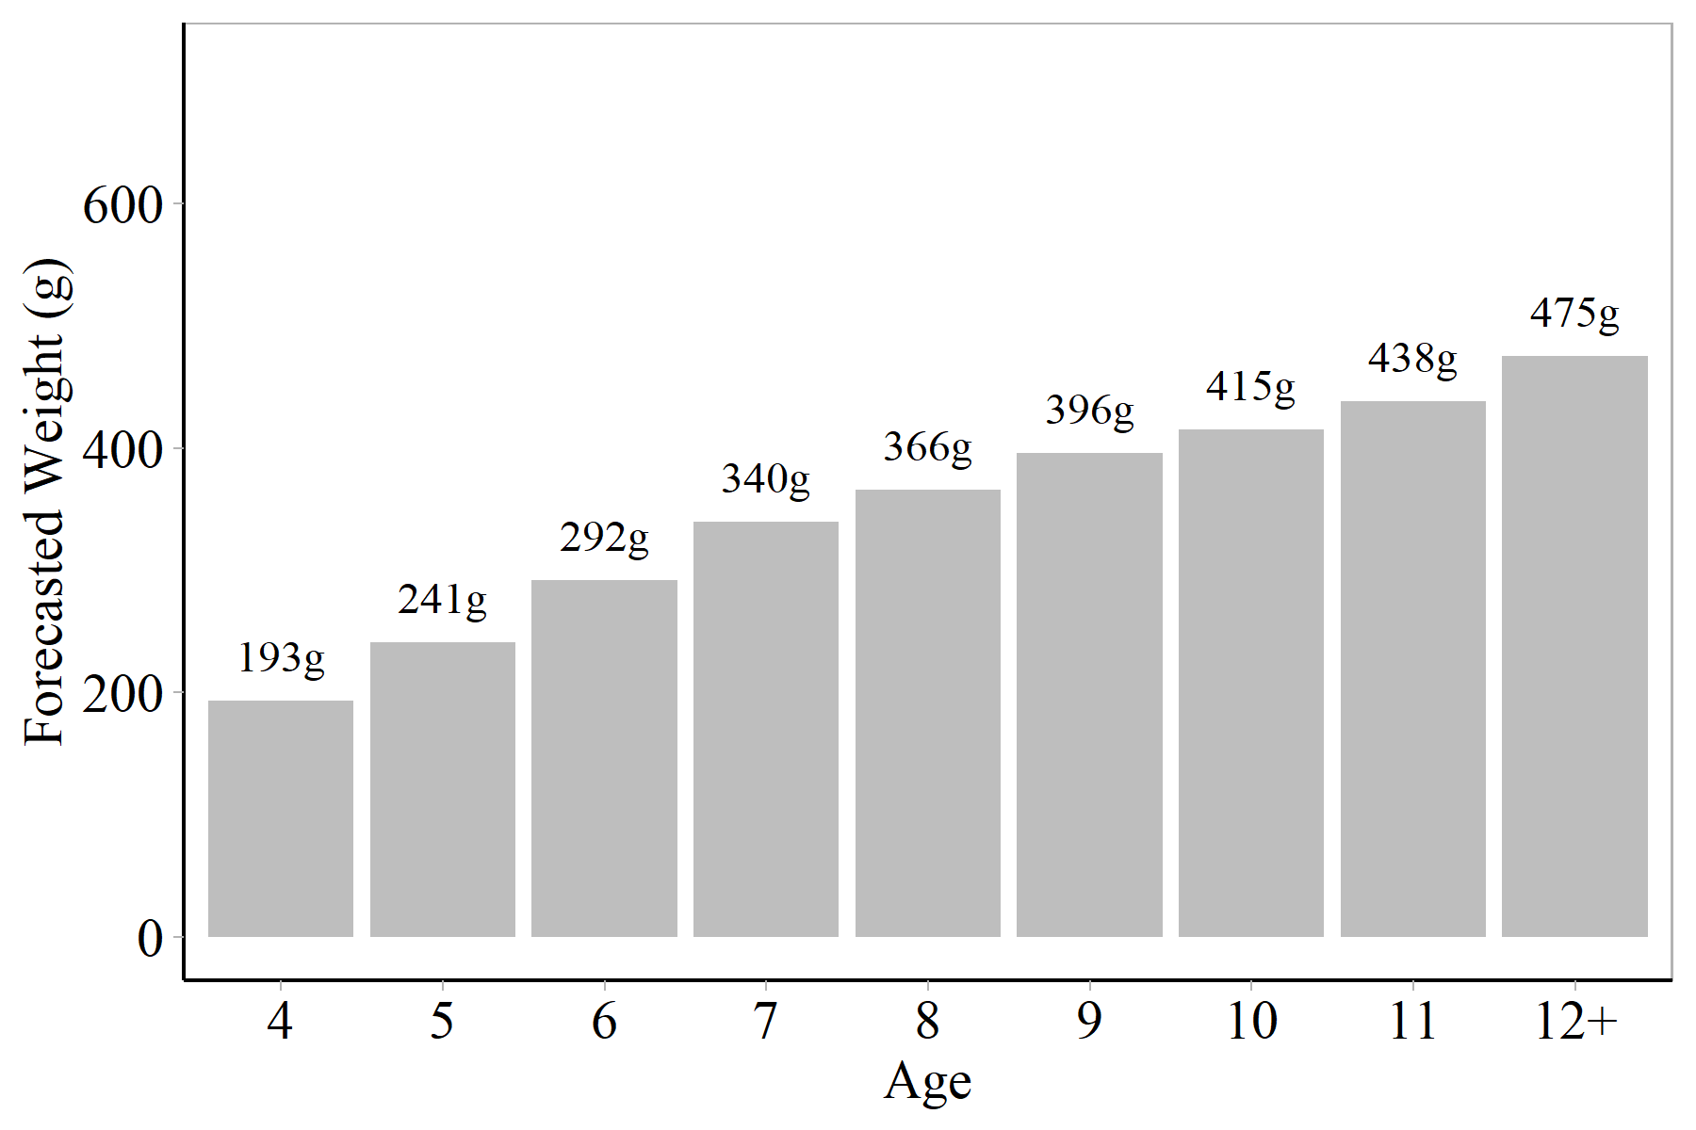
Age2 | fw_a_a
4 | 193
5 | 241
6 | 292
7 | 340
8 | 366
9 | 396
10 | 415
11 | 438
12+ | 475

Fig16
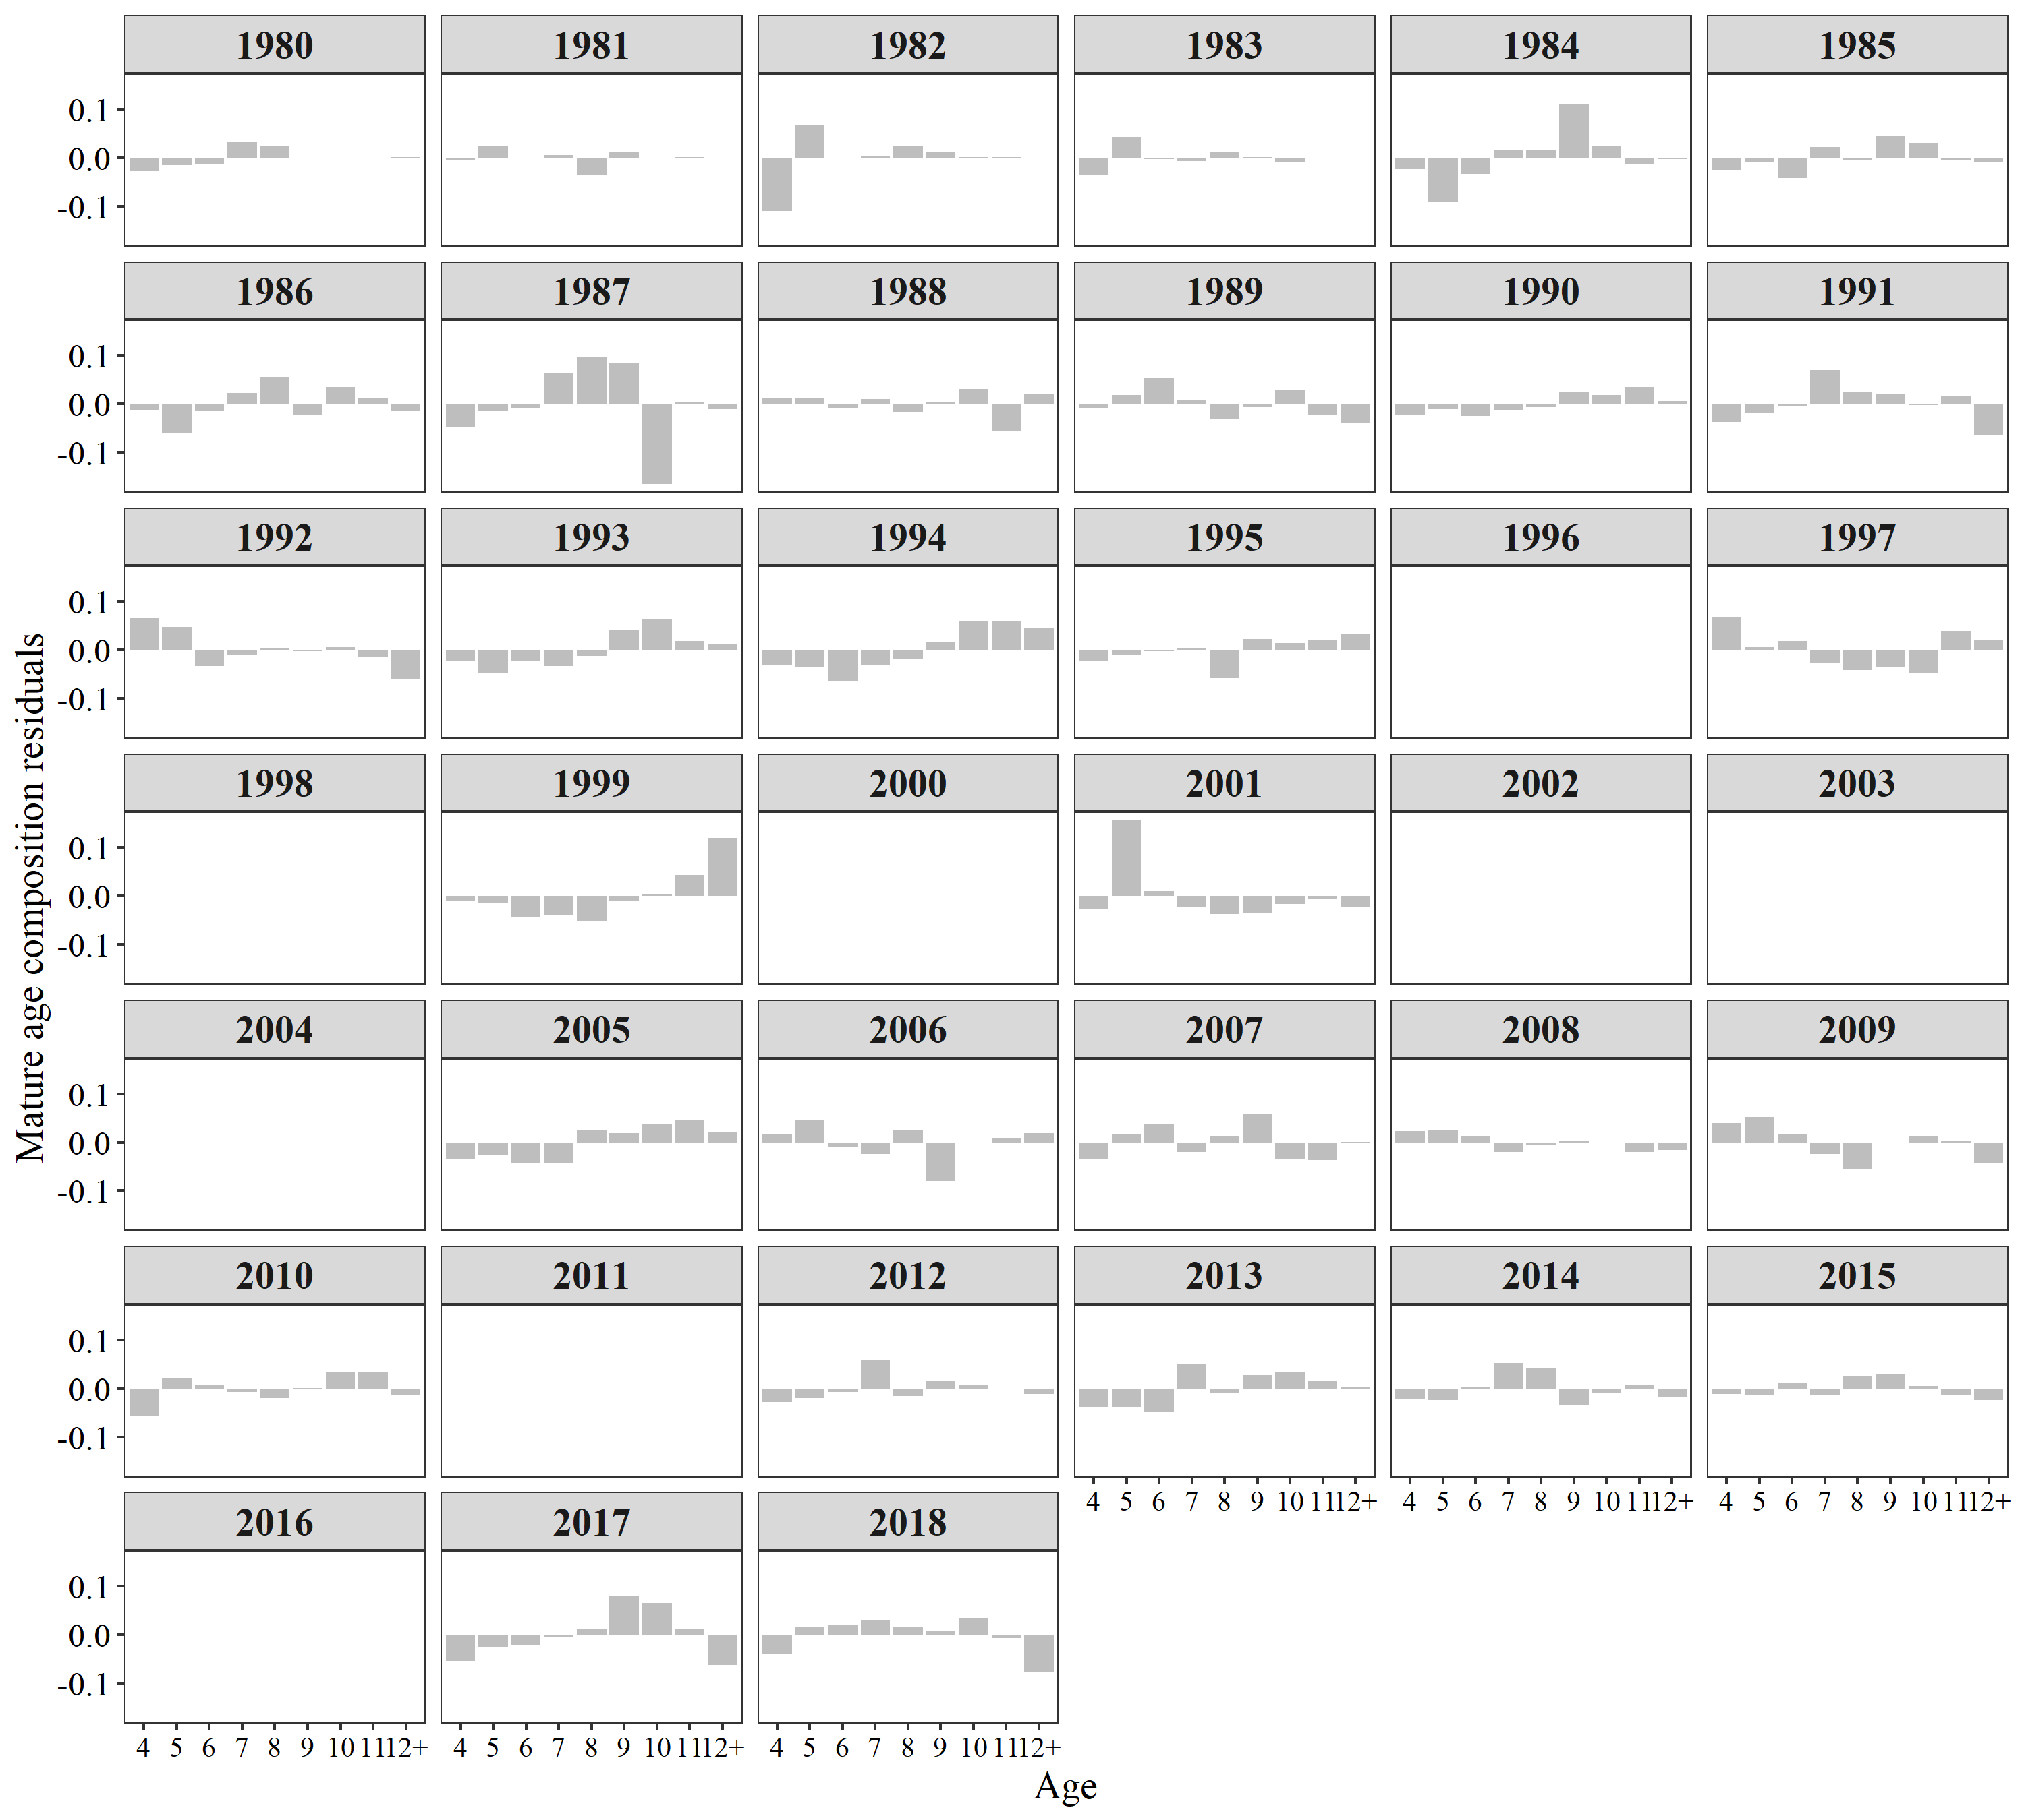
Year | Age | FREQ | Variable
1980 | 4 | -0.0275 | Estimated
1981 | 4 | -0.0055 | Estimated
1982 | 4 | -0.1105 | Estimated
1983 | 4 | -0.0357 | Estimated
1984 | 4 | -0.0226 | Estimated
1985 | 4 | -0.0253 | Estimated
1986 | 4 | -0.0121 | Estimated
1987 | 4 | -0.0482 | Estimated
1988 | 4 | 0.0106 | Estimated
1989 | 4 | -0.0091 | Estimated
1990 | 4 | -0.0242 | Estimated
1991 | 4 | -0.0373 | Estimated
1992 | 4 | 0.0651 | Estimated
1993 | 4 | -0.0223 | Estimated
1994 | 4 | -0.03 | Estimated
1995 | 4 | -0.0222 | Estimated
1996 | 4 | 0 | Estimated
1997 | 4 | 0.0675 | Estimated
1998 | 4 | 0 | Estimated
1999 | 4 | -0.0108 | Estimated
2000 | 4 | 0 | Estimated
2001 | 4 | -0.0269 | Estimated
2002 | 4 | 0 | Estimated
2003 | 4 | 0 | Estimated
2004 | 4 | 0 | Estimated
2005 | 4 | -0.0357 | Estimated
2006 | 4 | 0.0157 | Estimated
2007 | 4 | -0.035 | Estimated
2008 | 4 | 0.0229 | Estimated
2009 | 4 | 0.0394 | Estimated
2010 | 4 | -0.0578 | Estimated
2011 | 4 | 0 | Estimated
2012 | 4 | -0.0278 | Estimated
2013 | 4 | -0.039 | Estimated
2014 | 4 | -0.0222 | Estimated
2015 | 4 | -0.0114 | Estimated
2016 | 4 | 0 | Estimated
2017 | 4 | -0.0546 | Estimated
2018 | 4 | -0.0408 | Estimated
1980 | 5 | -0.0149 | Estimated
1981 | 5 | 0.0246 | Estimated
1982 | 5 | 0.0679 | Estimated
1983 | 5 | 0.043 | Estimated
1984 | 5 | -0.0917 | Estimated
1985 | 5 | -0.01 | Estimated
1986 | 5 | -0.0612 | Estimated
1987 | 5 | -0.0148 | Estimated
1988 | 5 | 0.0108 | Estimated
1989 | 5 | 0.0184 | Estimated
1990 | 5 | -0.0114 | Estimated
1991 | 5 | -0.0198 | Estimated
1992 | 5 | 0.0477 | Estimated
1993 | 5 | -0.0475 | Estimated
1994 | 5 | -0.0344 | Estimated
1995 | 5 | -0.0098 | Estimated
1996 | 5 | 0 | Estimated
1997 | 5 | 0.0056 | Estimated
1998 | 5 | 0 | Estimated
1999 | 5 | -0.0132 | Estimated
2000 | 5 | 0 | Estimated
2001 | 5 | 0.1577 | Estimated
2002 | 5 | 0 | Estimated
2003 | 5 | 0 | Estimated
2004 | 5 | 0 | Estimated
2005 | 5 | -0.0273 | Estimated
2006 | 5 | 0.0451 | Estimated
2007 | 5 | 0.0167 | Estimated
2008 | 5 | 0.0253 | Estimated
2009 | 5 | 0.0519 | Estimated
2010 | 5 | 0.0202 | Estimated
2011 | 5 | 0 | Estimated
2012 | 5 | -0.0205 | Estimated
2013 | 5 | -0.0381 | Estimated
2014 | 5 | -0.0237 | Estimated
2015 | 5 | -0.013 | Estimated
2016 | 5 | 0 | Estimated
2017 | 5 | -0.0253 | Estimated
2018 | 5 | 0.017 | Estimated
1980 | 6 | -0.0137 | Estimated
1981 | 6 | -0.0002 | Estimated
1982 | 6 | -0.0006 | Estimated
1983 | 6 | -0.0027 | Estimated
1984 | 6 | -0.0332 | Estimated
1985 | 6 | -0.0419 | Estimated
1986 | 6 | -0.0136 | Estimated
1987 | 6 | -0.0086 | Estimated
1988 | 6 | -0.0097 | Estimated
1989 | 6 | 0.053 | Estimated
1990 | 6 | -0.025 | Estimated
1991 | 6 | -0.0037 | Estimated
1992 | 6 | -0.0326 | Estimated
1993 | 6 | -0.0221 | Estimated
1994 | 6 | -0.065 | Estimated
1995 | 6 | -0.0024 | Estimated
1996 | 6 | 0 | Estimated
1997 | 6 | 0.0181 | Estimated
1998 | 6 | 0 | Estimated
1999 | 6 | -0.0435 | Estimated
2000 | 6 | 0 | Estimated
2001 | 6 | 0.0104 | Estimated
2002 | 6 | 0 | Estimated
2003 | 6 | 0 | Estimated
2004 | 6 | 0 | Estimated
2005 | 6 | -0.0428 | Estimated
2006 | 6 | -0.0089 | Estimated
2007 | 6 | 0.0375 | Estimated
2008 | 6 | 0.0131 | Estimated
2009 | 6 | 0.0171 | Estimated
2010 | 6 | 0.0084 | Estimated
2011 | 6 | 0 | Estimated
2012 | 6 | -0.0072 | Estimated
2013 | 6 | -0.0471 | Estimated
2014 | 6 | 0.0033 | Estimated
2015 | 6 | 0.0126 | Estimated
2016 | 6 | 0 | Estimated
2017 | 6 | -0.0216 | Estimated
2018 | 6 | 0.0194 | Estimated
1980 | 7 | 0.033 | Estimated
1981 | 7 | 0.006 | Estimated
1982 | 7 | 0.0023 | Estimated
1983 | 7 | -0.0079 | Estimated
1984 | 7 | 0.0148 | Estimated
1985 | 7 | 0.0219 | Estimated
1986 | 7 | 0.0227 | Estimated
1987 | 7 | 0.063 | Estimated
1988 | 7 | 0.0101 | Estimated
1989 | 7 | 0.0084 | Estimated
1990 | 7 | -0.013 | Estimated
1991 | 7 | 0.0691 | Estimated
1992 | 7 | -0.0105 | Estimated
1993 | 7 | -0.0329 | Estimated
1994 | 7 | -0.0319 | Estimated
1995 | 7 | 0.0025 | Estimated
1996 | 7 | 0 | Estimated
1997 | 7 | -0.0266 | Estimated
1998 | 7 | 0 | Estimated
1999 | 7 | -0.0387 | Estimated
2000 | 7 | 0 | Estimated
2001 | 7 | -0.0219 | Estimated
2002 | 7 | 0 | Estimated
2003 | 7 | 0 | Estimated
2004 | 7 | 0 | Estimated
2005 | 7 | -0.0422 | Estimated
2006 | 7 | -0.0249 | Estimated
2007 | 7 | -0.0196 | Estimated
2008 | 7 | -0.0208 | Estimated
2009 | 7 | -0.0239 | Estimated
2010 | 7 | -0.0072 | Estimated
2011 | 7 | 0 | Estimated
2012 | 7 | 0.058 | Estimated
2013 | 7 | 0.0514 | Estimated
2014 | 7 | 0.0528 | Estimated
2015 | 7 | -0.0125 | Estimated
2016 | 7 | 0 | Estimated
2017 | 7 | -0.004 | Estimated
2018 | 7 | 0.0307 | Estimated
1980 | 8 | 0.0238 | Estimated
1981 | 8 | -0.0356 | Estimated
1982 | 8 | 0.025 | Estimated
1983 | 8 | 0.0112 | Estimated
1984 | 8 | 0.0146 | Estimated
1985 | 8 | -0.005 | Estimated
1986 | 8 | 0.0541 | Estimated
1987 | 8 | 0.0973 | Estimated
1988 | 8 | -0.0163 | Estimated
1989 | 8 | -0.0304 | Estimated
1990 | 8 | -0.0073 | Estimated
1991 | 8 | 0.0254 | Estimated
1992 | 8 | 0.0025 | Estimated
1993 | 8 | -0.0116 | Estimated
1994 | 8 | -0.0188 | Estimated
1995 | 8 | -0.0588 | Estimated
1996 | 8 | 0 | Estimated
1997 | 8 | -0.0415 | Estimated
1998 | 8 | 0 | Estimated
1999 | 8 | -0.053 | Estimated
2000 | 8 | 0 | Estimated
2001 | 8 | -0.0365 | Estimated
2002 | 8 | 0 | Estimated
2003 | 8 | 0 | Estimated
2004 | 8 | 0 | Estimated
2005 | 8 | 0.025 | Estimated
2006 | 8 | 0.0252 | Estimated
2007 | 8 | 0.0127 | Estimated
2008 | 8 | -0.0062 | Estimated
2009 | 8 | -0.0549 | Estimated
2010 | 8 | -0.0193 | Estimated
2011 | 8 | 0 | Estimated
2012 | 8 | -0.0158 | Estimated
2013 | 8 | -0.0087 | Estimated
2014 | 8 | 0.0427 | Estimated
2015 | 8 | 0.0254 | Estimated
2016 | 8 | 0 | Estimated
2017 | 8 | 0.011 | Estimated
2018 | 8 | 0.0146 | Estimated
1980 | 9 | 0.0003 | Estimated
1981 | 9 | 0.0118 | Estimated
1982 | 9 | 0.0124 | Estimated
1983 | 9 | 0.0015 | Estimated
1984 | 9 | 0.1095 | Estimated
1985 | 9 | 0.0438 | Estimated
1986 | 9 | -0.0219 | Estimated
1987 | 9 | 0.085 | Estimated
1988 | 9 | 0.0026 | Estimated
1989 | 9 | -0.0064 | Estimated
1990 | 9 | 0.0234 | Estimated
1991 | 9 | 0.0198 | Estimated
1992 | 9 | -0.0024 | Estimated
1993 | 9 | 0.0412 | Estimated
1994 | 9 | 0.0152 | Estimated
1995 | 9 | 0.022 | Estimated
1996 | 9 | 0 | Estimated
1997 | 9 | -0.0355 | Estimated
1998 | 9 | 0 | Estimated
1999 | 9 | -0.0102 | Estimated
2000 | 9 | 0 | Estimated
2001 | 9 | -0.0359 | Estimated
2002 | 9 | 0 | Estimated
2003 | 9 | 0 | Estimated
2004 | 9 | 0 | Estimated
2005 | 9 | 0.0185 | Estimated
2006 | 9 | -0.0794 | Estimated
2007 | 9 | 0.0591 | Estimated
2008 | 9 | 0.0018 | Estimated
2009 | 9 | -0.0008 | Estimated
2010 | 9 | 0.0015 | Estimated
2011 | 9 | 0 | Estimated
2012 | 9 | 0.0168 | Estimated
2013 | 9 | 0.0274 | Estimated
2014 | 9 | -0.0345 | Estimated
2015 | 9 | 0.0306 | Estimated
2016 | 9 | 0 | Estimated
2017 | 9 | 0.0787 | Estimated
2018 | 9 | 0.0085 | Estimated
1980 | 10 | -0.0018 | Estimated
1981 | 10 | -0.0005 | Estimated
1982 | 10 | 0.0017 | Estimated
1983 | 10 | -0.0084 | Estimated
1984 | 10 | 0.0235 | Estimated
1985 | 10 | 0.0307 | Estimated
1986 | 10 | 0.0353 | Estimated
1987 | 10 | -0.1659 | Estimated
1988 | 10 | 0.0307 | Estimated
1989 | 10 | 0.0276 | Estimated
1990 | 10 | 0.0177 | Estimated
1991 | 10 | -0.0022 | Estimated
1992 | 10 | 0.0061 | Estimated
1993 | 10 | 0.0636 | Estimated
1994 | 10 | 0.0602 | Estimated
1995 | 10 | 0.0135 | Estimated
1996 | 10 | 0 | Estimated
1997 | 10 | -0.0482 | Estimated
1998 | 10 | 0 | Estimated
1999 | 10 | 0.0039 | Estimated
2000 | 10 | 0 | Estimated
2001 | 10 | -0.0157 | Estimated
2002 | 10 | 0 | Estimated
2003 | 10 | 0 | Estimated
2004 | 10 | 0 | Estimated
2005 | 10 | 0.0387 | Estimated
2006 | 10 | -0.0016 | Estimated
2007 | 10 | -0.0346 | Estimated
2008 | 10 | -0.002 | Estimated
2009 | 10 | 0.0117 | Estimated
2010 | 10 | 0.0333 | Estimated
2011 | 10 | 0 | Estimated
2012 | 10 | 0.0076 | Estimated
2013 | 10 | 0.0348 | Estimated
2014 | 10 | -0.0086 | Estimated
2015 | 10 | 0.0048 | Estimated
2016 | 10 | 0 | Estimated
2017 | 10 | 0.0653 | Estimated
2018 | 10 | 0.0338 | Estimated
1980 | 11 | -0.0008 | Estimated
1981 | 11 | 0.0014 | Estimated
1982 | 11 | 0.0016 | Estimated
1983 | 11 | -0.0013 | Estimated
1984 | 11 | -0.0122 | Estimated
1985 | 11 | -0.0056 | Estimated
1986 | 11 | 0.0122 | Estimated
1987 | 11 | 0.0037 | Estimated
1988 | 11 | -0.0577 | Estimated
1989 | 11 | -0.0221 | Estimated
1990 | 11 | 0.0349 | Estimated
1991 | 11 | 0.0147 | Estimated
1992 | 11 | -0.0152 | Estimated
1993 | 11 | 0.0182 | Estimated
1994 | 11 | 0.0601 | Estimated
1995 | 11 | 0.0201 | Estimated
1996 | 11 | 0 | Estimated
1997 | 11 | 0.0393 | Estimated
1998 | 11 | 0 | Estimated
1999 | 11 | 0.0435 | Estimated
2000 | 11 | 0 | Estimated
2001 | 11 | -0.007 | Estimated
2002 | 11 | 0 | Estimated
2003 | 11 | 0 | Estimated
2004 | 11 | 0 | Estimated
2005 | 11 | 0.0461 | Estimated
2006 | 11 | 0.0085 | Estimated
2007 | 11 | -0.0375 | Estimated
2008 | 11 | -0.0199 | Estimated
2009 | 11 | 0.0018 | Estimated
2010 | 11 | 0.0334 | Estimated
2011 | 11 | 0 | Estimated
2012 | 11 | -0.0003 | Estimated
2013 | 11 | 0.0161 | Estimated
2014 | 11 | 0.0069 | Estimated
2015 | 11 | -0.0126 | Estimated
2016 | 11 | 0 | Estimated
2017 | 11 | 0.0129 | Estimated
2018 | 11 | -0.0069 | Estimated
1980 | 12+ | 0.0015 | Estimated
1981 | 12+ | -0.0021 | Estimated
1982 | 12+ | 0.0003 | Estimated
1983 | 12+ | 0.0004 | Estimated
1984 | 12+ | -0.0026 | Estimated
1985 | 12+ | -0.0086 | Estimated
1986 | 12+ | -0.0154 | Estimated
1987 | 12+ | -0.0114 | Estimated
1988 | 12+ | 0.0188 | Estimated
1989 | 12+ | -0.0393 | Estimated
1990 | 12+ | 0.0049 | Estimated
1991 | 12+ | -0.066 | Estimated
1992 | 12+ | -0.0607 | Estimated
1993 | 12+ | 0.0123 | Estimated
1994 | 12+ | 0.0446 | Estimated
1995 | 12+ | 0.0322 | Estimated
1996 | 12+ | 0 | Estimated
1997 | 12+ | 0.0194 | Estimated
1998 | 12+ | 0 | Estimated
1999 | 12+ | 0.12 | Estimated
2000 | 12+ | 0 | Estimated
2001 | 12+ | -0.0232 | Estimated
2002 | 12+ | 0 | Estimated
2003 | 12+ | 0 | Estimated
2004 | 12+ | 0 | Estimated
2005 | 12+ | 0.0196 | Estimated
2006 | 12+ | 0.0192 | Estimated
2007 | 12+ | 0.0007 | Estimated
2008 | 12+ | -0.0162 | Estimated
2009 | 12+ | -0.0423 | Estimated
2010 | 12+ | -0.0125 | Estimated
2011 | 12+ | 0 | Estimated
2012 | 12+ | -0.0114 | Estimated
2013 | 12+ | 0.0033 | Estimated
2014 | 12+ | -0.0167 | Estimated
2015 | 12+ | -0.0239 | Estimated
2016 | 12+ | 0 | Estimated
2017 | 12+ | -0.0623 | Estimated
2018 | 12+ | -0.0763 | Estimated

Fig17
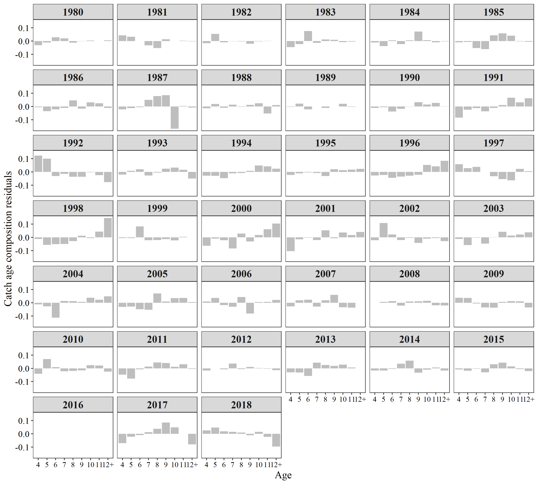
Year | Age | FREQ | Variable
1980 | 4 | -0.0309 | Estimated
1981 | 4 | 0.0432 | Estimated
1982 | 4 | -0.0163 | Estimated
1983 | 4 | -0.046 | Estimated
1984 | 4 | -0.0116 | Estimated
1985 | 4 | -0.0102 | Estimated
1986 | 4 | -0.006 | Estimated
1987 | 4 | -0.0224 | Estimated
1988 | 4 | -0.014 | Estimated
1989 | 4 | -0.0034 | Estimated
1990 | 4 | -0.0115 | Estimated
1991 | 4 | -0.0846 | Estimated
1992 | 4 | 0.1232 | Estimated
1993 | 4 | -0.0199 | Estimated
1994 | 4 | -0.0278 | Estimated
1995 | 4 | -0.0226 | Estimated
1996 | 4 | -0.0265 | Estimated
1997 | 4 | 0.0576 | Estimated
1998 | 4 | -0.0125 | Estimated
1999 | 4 | -0.0056 | Estimated
2000 | 4 | -0.0631 | Estimated
2001 | 4 | -0.1033 | Estimated
2002 | 4 | -0.0217 | Estimated
2003 | 4 | -0.0116 | Estimated
2004 | 4 | -0.0115 | Estimated
2005 | 4 | -0.03 | Estimated
2006 | 4 | 0.0104 | Estimated
2007 | 4 | -0.0259 | Estimated
2008 | 4 | 0.0009 | Estimated
2009 | 4 | 0.0388 | Estimated
2010 | 4 | -0.0406 | Estimated
2011 | 4 | -0.0483 | Estimated
2012 | 4 | -0.0172 | Estimated
2013 | 4 | -0.031 | Estimated
2014 | 4 | -0.0167 | Estimated
2015 | 4 | -0.009 | Estimated
2016 | 4 | 0 | Estimated
2017 | 4 | -0.0701 | Estimated
2018 | 4 | 0.0256 | Estimated
1980 | 5 | -0.0114 | Estimated
1981 | 5 | 0.0319 | Estimated
1982 | 5 | 0.0542 | Estimated
1983 | 5 | -0.0237 | Estimated
1984 | 5 | -0.0386 | Estimated
1985 | 5 | -0.0069 | Estimated
1986 | 5 | -0.0355 | Estimated
1987 | 5 | -0.0123 | Estimated
1988 | 5 | 0.0188 | Estimated
1989 | 5 | 0.0208 | Estimated
1990 | 5 | -0.006 | Estimated
1991 | 5 | -0.0245 | Estimated
1992 | 5 | 0.1005 | Estimated
1993 | 5 | 0.0081 | Estimated
1994 | 5 | -0.0296 | Estimated
1995 | 5 | -0.0105 | Estimated
1996 | 5 | -0.0236 | Estimated
1997 | 5 | 0.028 | Estimated
1998 | 5 | -0.0563 | Estimated
1999 | 5 | -0.0048 | Estimated
2000 | 5 | -0.0098 | Estimated
2001 | 5 | -0.0145 | Estimated
2002 | 5 | 0.1084 | Estimated
2003 | 5 | -0.0578 | Estimated
2004 | 5 | -0.0265 | Estimated
2005 | 5 | -0.0286 | Estimated
2006 | 5 | 0.0376 | Estimated
2007 | 5 | 0.0188 | Estimated
2008 | 5 | 0.0078 | Estimated
2009 | 5 | 0.0376 | Estimated
2010 | 5 | 0.0701 | Estimated
2011 | 5 | -0.0776 | Estimated
2012 | 5 | -0.0011 | Estimated
2013 | 5 | -0.0323 | Estimated
2014 | 5 | -0.0162 | Estimated
2015 | 5 | -0.0179 | Estimated
2016 | 5 | 0 | Estimated
2017 | 5 | -0.0215 | Estimated
2018 | 5 | 0.0467 | Estimated
1980 | 6 | 0.0284 | Estimated
1981 | 6 | -0.0009 | Estimated
1982 | 6 | -0.0094 | Estimated
1983 | 6 | 0.0754 | Estimated
1984 | 6 | 0.0047 | Estimated
1985 | 6 | -0.0527 | Estimated
1986 | 6 | -0.0214 | Estimated
1987 | 6 | -0.0055 | Estimated
1988 | 6 | -0.0097 | Estimated
1989 | 6 | -0.0224 | Estimated
1990 | 6 | -0.0386 | Estimated
1991 | 6 | -0.0119 | Estimated
1992 | 6 | -0.0317 | Estimated
1993 | 6 | 0.0207 | Estimated
1994 | 6 | -0.0471 | Estimated
1995 | 6 | -0.0045 | Estimated
1996 | 6 | -0.0444 | Estimated
1997 | 6 | 0.0377 | Estimated
1998 | 6 | -0.0506 | Estimated
1999 | 6 | 0.0826 | Estimated
2000 | 6 | -0.0215 | Estimated
2001 | 6 | -0.0022 | Estimated
2002 | 6 | 0.0222 | Estimated
2003 | 6 | -0.002 | Estimated
2004 | 6 | -0.1122 | Estimated
2005 | 6 | -0.0486 | Estimated
2006 | 6 | -0.0168 | Estimated
2007 | 6 | 0.0231 | Estimated
2008 | 6 | 0.0127 | Estimated
2009 | 6 | -0.0051 | Estimated
2010 | 6 | 0.0093 | Estimated
2011 | 6 | -0.008 | Estimated
2012 | 6 | -0.008 | Estimated
2013 | 6 | -0.0575 | Estimated
2014 | 6 | -0.0048 | Estimated
2015 | 6 | -0.0035 | Estimated
2016 | 6 | 0 | Estimated
2017 | 6 | -0.0097 | Estimated
2018 | 6 | 0.0192 | Estimated
1980 | 7 | 0.0198 | Estimated
1981 | 7 | -0.0329 | Estimated
1982 | 7 | -0.0023 | Estimated
1983 | 7 | -0.0133 | Estimated
1984 | 7 | -0.0228 | Estimated
1985 | 7 | -0.0619 | Estimated
1986 | 7 | -0.0107 | Estimated
1987 | 7 | 0.0499 | Estimated
1988 | 7 | 0.0138 | Estimated
1989 | 7 | -0.0007 | Estimated
1990 | 7 | -0.0178 | Estimated
1991 | 7 | -0.0371 | Estimated
1992 | 7 | -0.0146 | Estimated
1993 | 7 | -0.0269 | Estimated
1994 | 7 | -0.0112 | Estimated
1995 | 7 | -0.008 | Estimated
1996 | 7 | -0.0356 | Estimated
1997 | 7 | 0.0005 | Estimated
1998 | 7 | -0.0493 | Estimated
1999 | 7 | -0.0208 | Estimated
2000 | 7 | -0.0841 | Estimated
2001 | 7 | -0.0197 | Estimated
2002 | 7 | -0.0207 | Estimated
2003 | 7 | -0.0465 | Estimated
2004 | 7 | 0.0143 | Estimated
2005 | 7 | -0.0522 | Estimated
2006 | 7 | -0.0297 | Estimated
2007 | 7 | -0.0273 | Estimated
2008 | 7 | -0.0218 | Estimated
2009 | 7 | -0.0345 | Estimated
2010 | 7 | -0.0228 | Estimated
2011 | 7 | 0.0123 | Estimated
2012 | 7 | 0.0363 | Estimated
2013 | 7 | 0.0422 | Estimated
2014 | 7 | 0.0351 | Estimated
2015 | 7 | -0.0302 | Estimated
2016 | 7 | 0 | Estimated
2017 | 7 | 0.0115 | Estimated
2018 | 7 | 0.015 | Estimated
1980 | 8 | -0.0123 | Estimated
1981 | 8 | -0.0533 | Estimated
1982 | 8 | -0.0026 | Estimated
1983 | 8 | 0.0122 | Estimated
1984 | 8 | 0.0045 | Estimated
1985 | 8 | 0.0425 | Estimated
1986 | 8 | 0.0464 | Estimated
1987 | 8 | 0.0779 | Estimated
1988 | 8 | -0.003 | Estimated
1989 | 8 | -0.0109 | Estimated
1990 | 8 | -0.0017 | Estimated
1991 | 8 | -0.0117 | Estimated
1992 | 8 | -0.0371 | Estimated
1993 | 8 | -0.0058 | Estimated
1994 | 8 | -0.0086 | Estimated
1995 | 8 | -0.0314 | Estimated
1996 | 8 | -0.0279 | Estimated
1997 | 8 | -0.0324 | Estimated
1998 | 8 | -0.0284 | Estimated
1999 | 8 | -0.0198 | Estimated
2000 | 8 | 0.0289 | Estimated
2001 | 8 | 0.053 | Estimated
2002 | 8 | -0.0043 | Estimated
2003 | 8 | 0.0012 | Estimated
2004 | 8 | 0.0122 | Estimated
2005 | 8 | 0.0702 | Estimated
2006 | 8 | 0.0437 | Estimated
2007 | 8 | 0.0194 | Estimated
2008 | 8 | 0.0101 | Estimated
2009 | 8 | -0.0367 | Estimated
2010 | 8 | -0.0192 | Estimated
2011 | 8 | 0.0441 | Estimated
2012 | 8 | -0.0063 | Estimated
2013 | 8 | 0.025 | Estimated
2014 | 8 | 0.0577 | Estimated
2015 | 8 | 0.0308 | Estimated
2016 | 8 | 0 | Estimated
2017 | 8 | 0.0372 | Estimated
2018 | 8 | 0.0095 | Estimated
1980 | 9 | -0.002 | Estimated
1981 | 9 | 0.0131 | Estimated
1982 | 9 | -0.0208 | Estimated
1983 | 9 | 0.0092 | Estimated
1984 | 9 | 0.0708 | Estimated
1985 | 9 | 0.0579 | Estimated
1986 | 9 | -0.0169 | Estimated
1987 | 9 | 0.0854 | Estimated
1988 | 9 | 0.0116 | Estimated
1989 | 9 | -0.0002 | Estimated
1990 | 9 | 0.0326 | Estimated
1991 | 9 | 0.0101 | Estimated
1992 | 9 | -0.0369 | Estimated
1993 | 9 | 0.0249 | Estimated
1994 | 9 | 0.0083 | Estimated
1995 | 9 | 0.0197 | Estimated
1996 | 9 | -0.0215 | Estimated
1997 | 9 | -0.0541 | Estimated
1998 | 9 | 0.0122 | Estimated
1999 | 9 | -0.0133 | Estimated
2000 | 9 | -0.0315 | Estimated
2001 | 9 | -0.0068 | Estimated
2002 | 9 | -0.0416 | Estimated
2003 | 9 | 0.0425 | Estimated
2004 | 9 | 0.0074 | Estimated
2005 | 9 | 0.0096 | Estimated
2006 | 9 | -0.0809 | Estimated
2007 | 9 | 0.0601 | Estimated
2008 | 9 | 0.0113 | Estimated
2009 | 9 | 0.0068 | Estimated
2010 | 9 | -0.0158 | Estimated
2011 | 9 | 0.0405 | Estimated
2012 | 9 | 0.0103 | Estimated
2013 | 9 | 0.0187 | Estimated
2014 | 9 | -0.0334 | Estimated
2015 | 9 | 0.0432 | Estimated
2016 | 9 | 0 | Estimated
2017 | 9 | 0.0851 | Estimated
2018 | 9 | -0.011 | Estimated
1980 | 10 | 0.0037 | Estimated
1981 | 10 | 0.0001 | Estimated
1982 | 10 | -0.0037 | Estimated
1983 | 10 | -0.0081 | Estimated
1984 | 10 | 0.0063 | Estimated
1985 | 10 | 0.0404 | Estimated
1986 | 10 | 0.0312 | Estimated
1987 | 10 | -0.1683 | Estimated
1988 | 10 | 0.0246 | Estimated
1989 | 10 | 0.02 | Estimated
1990 | 10 | 0.0149 | Estimated
1991 | 10 | 0.0665 | Estimated
1992 | 10 | -0.0025 | Estimated
1993 | 10 | 0.0328 | Estimated
1994 | 10 | 0.0492 | Estimated
1995 | 10 | 0.0129 | Estimated
1996 | 10 | 0.0532 | Estimated
1997 | 10 | -0.0631 | Estimated
1998 | 10 | -0.0048 | Estimated
1999 | 10 | -0.0222 | Estimated
2000 | 10 | 0.0176 | Estimated
2001 | 10 | 0.0368 | Estimated
2002 | 10 | -0.0091 | Estimated
2003 | 10 | 0.0143 | Estimated
2004 | 10 | 0.0385 | Estimated
2005 | 10 | 0.0362 | Estimated
2006 | 10 | 0.0057 | Estimated
2007 | 10 | -0.0328 | Estimated
2008 | 10 | 0.0158 | Estimated
2009 | 10 | 0.0133 | Estimated
2010 | 10 | 0.0236 | Estimated
2011 | 10 | 0.0117 | Estimated
2012 | 10 | 0.0024 | Estimated
2013 | 10 | 0.0282 | Estimated
2014 | 10 | -0.0105 | Estimated
2015 | 10 | 0.0144 | Estimated
2016 | 10 | 0 | Estimated
2017 | 10 | 0.0483 | Estimated
2018 | 10 | 0.0147 | Estimated
1980 | 11 | -0.0004 | Estimated
1981 | 11 | 0.0018 | Estimated
1982 | 11 | 0.0014 | Estimated
1983 | 11 | -0.005 | Estimated
1984 | 11 | -0.0104 | Estimated
1985 | 11 | -0.003 | Estimated
1986 | 11 | 0.0243 | Estimated
1987 | 11 | 0.004 | Estimated
1988 | 11 | -0.053 | Estimated
1989 | 11 | -0.0027 | Estimated
1990 | 11 | 0.0266 | Estimated
1991 | 11 | 0.0311 | Estimated
1992 | 11 | -0.0243 | Estimated
1993 | 11 | 0.0163 | Estimated
1994 | 11 | 0.0422 | Estimated
1995 | 11 | 0.0178 | Estimated
1996 | 11 | 0.0417 | Estimated
1997 | 11 | 0.0228 | Estimated
1998 | 11 | 0.0433 | Estimated
1999 | 11 | 0.0039 | Estimated
2000 | 11 | 0.0612 | Estimated
2001 | 11 | 0.0172 | Estimated
2002 | 11 | -0.0052 | Estimated
2003 | 11 | 0.022 | Estimated
2004 | 11 | 0.0235 | Estimated
2005 | 11 | 0.0377 | Estimated
2006 | 11 | 0.0071 | Estimated
2007 | 11 | -0.0367 | Estimated
2008 | 11 | -0.0181 | Estimated
2009 | 11 | 0.0107 | Estimated
2010 | 11 | 0.0205 | Estimated
2011 | 11 | 0.03 | Estimated
2012 | 11 | -0.0029 | Estimated
2013 | 11 | 0.0068 | Estimated
2014 | 11 | 0.0056 | Estimated
2015 | 11 | -0.0063 | Estimated
2016 | 11 | 0 | Estimated
2017 | 11 | -0.0007 | Estimated
2018 | 11 | -0.0238 | Estimated
1980 | 12+ | 0.0051 | Estimated
1981 | 12+ | -0.0029 | Estimated
1982 | 12+ | -0.0004 | Estimated
1983 | 12+ | -0.0008 | Estimated
1984 | 12+ | -0.0029 | Estimated
1985 | 12+ | -0.0061 | Estimated
1986 | 12+ | -0.0114 | Estimated
1987 | 12+ | -0.0088 | Estimated
1988 | 12+ | 0.0109 | Estimated
1989 | 12+ | -0.0006 | Estimated
1990 | 12+ | 0.0016 | Estimated
1991 | 12+ | 0.062 | Estimated
1992 | 12+ | -0.0765 | Estimated
1993 | 12+ | -0.0501 | Estimated
1994 | 12+ | 0.0245 | Estimated
1995 | 12+ | 0.0236 | Estimated
1996 | 12+ | 0.0836 | Estimated
1997 | 12+ | 0.0051 | Estimated
1998 | 12+ | 0.1464 | Estimated
1999 | 12+ | 0.0009 | Estimated
2000 | 12+ | 0.1043 | Estimated
2001 | 12+ | 0.0405 | Estimated
2002 | 12+ | -0.028 | Estimated
2003 | 12+ | 0.0379 | Estimated
2004 | 12+ | 0.0492 | Estimated
2005 | 12+ | 0.0056 | Estimated
2006 | 12+ | 0.0223 | Estimated
2007 | 12+ | 0.0011 | Estimated
2008 | 12+ | -0.0203 | Estimated
2009 | 12+ | -0.0348 | Estimated
2010 | 12+ | -0.025 | Estimated
2011 | 12+ | -0.0047 | Estimated
2012 | 12+ | -0.0139 | Estimated
2013 | 12+ | -0.0002 | Estimated
2014 | 12+ | -0.0168 | Estimated
2015 | 12+ | -0.0215 | Estimated
2016 | 12+ | 0 | Estimated
2017 | 12+ | -0.0802 | Estimated
2018 | 12+ | -0.0959 | Estimated

Fig18
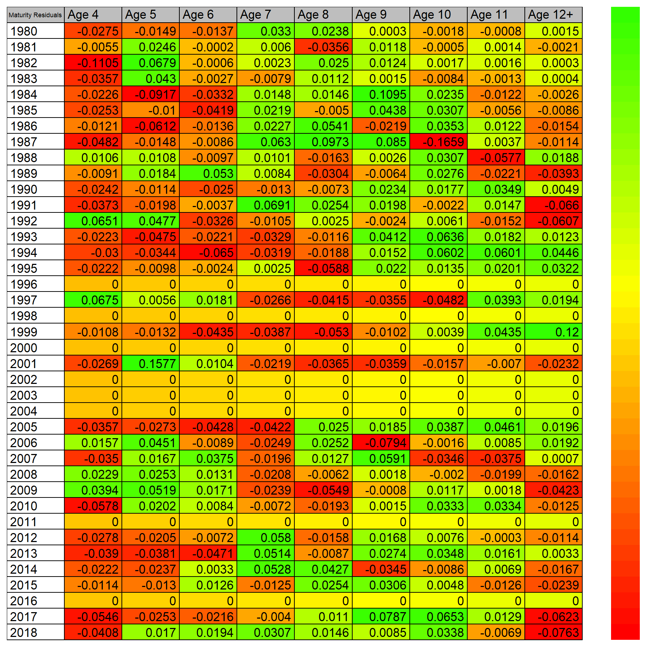

Fig19
